m1 Sc_01-tc_01 to Sc02-tc_04
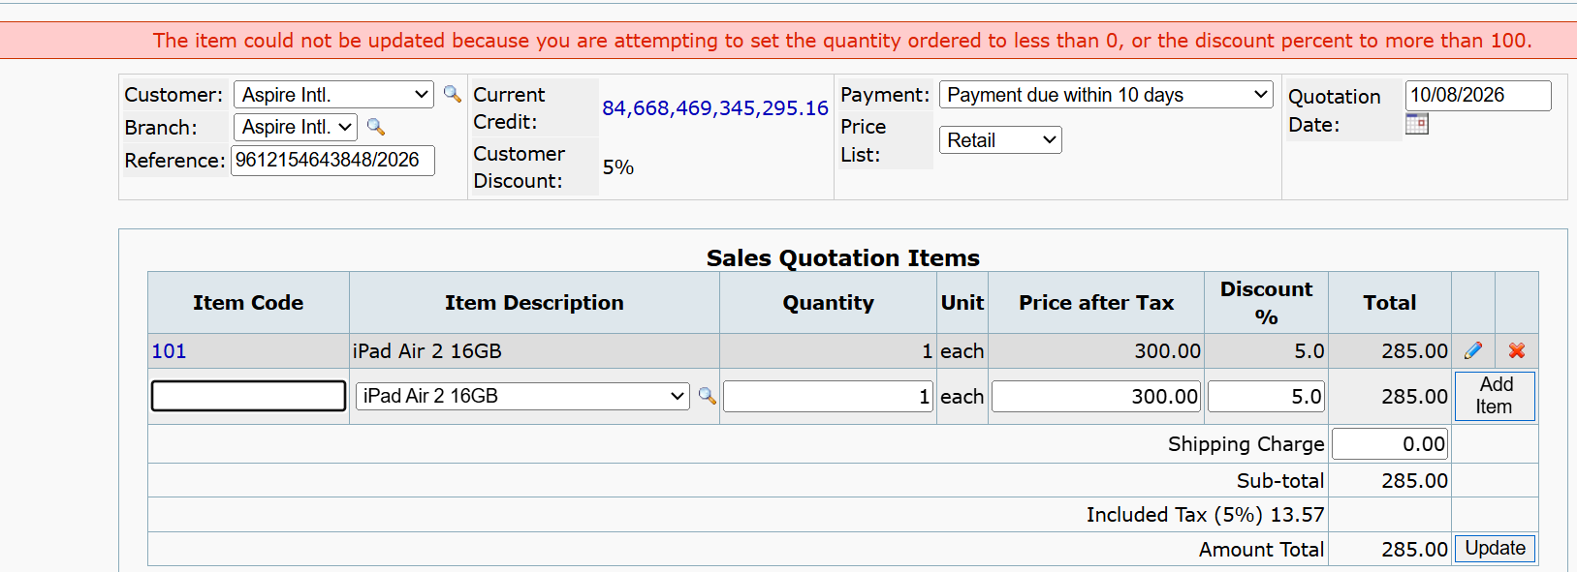
Sc_01-tc_01 - To test item get add when Item code is enterned negative and quantity,price,dicsount are are positive
Add item

Sc_01-tc_02 - To test item get add when quantity is enterned negative and add code,price,dicsount are are positive

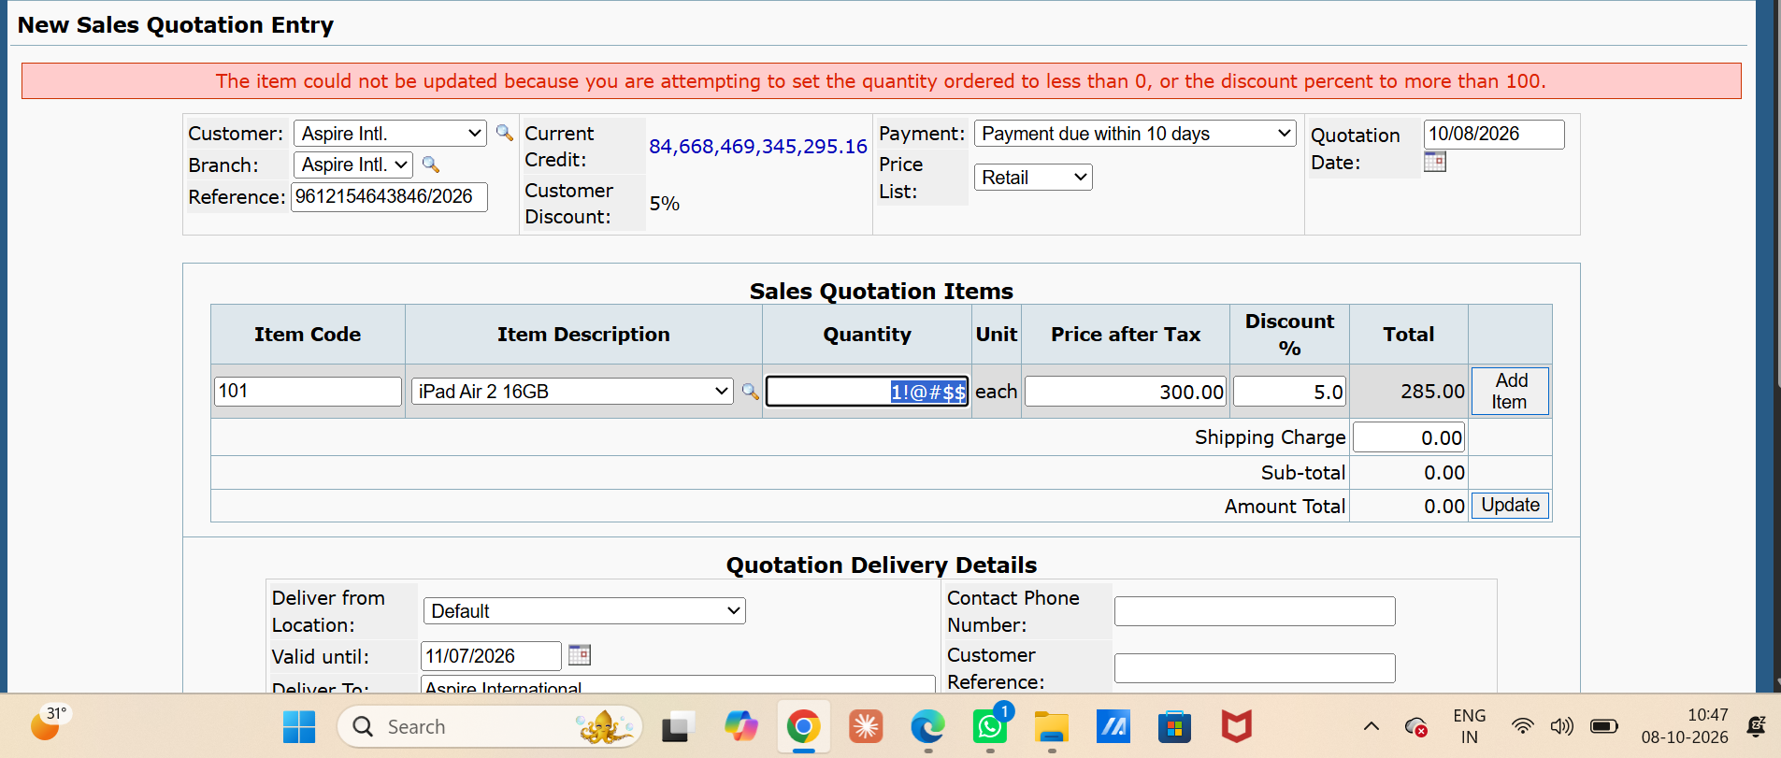

Sc_01-tc_03 - To test item get add when price is enterned negative and add code,quantity,dicsount are are positive

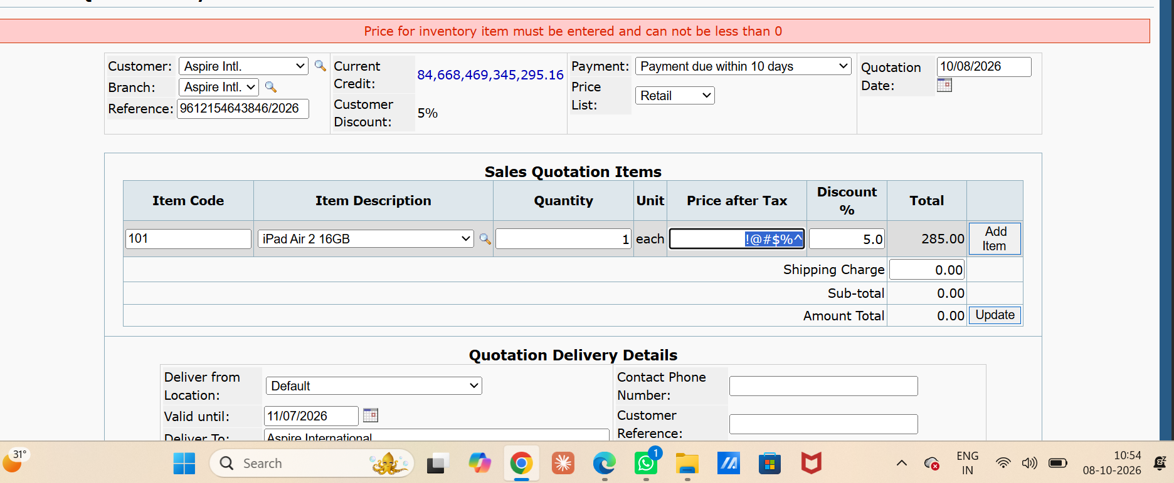

Sc_01-tc_04 - To test item get add when discount is enterned negative and add code,quantity,price are are positive

Sc_01-tc_05 - To test item get add when item code,quantity ,price ,discount is positive

Sc_02-tc_01 - to test item get edit when quantity and discount are positive
Edit item

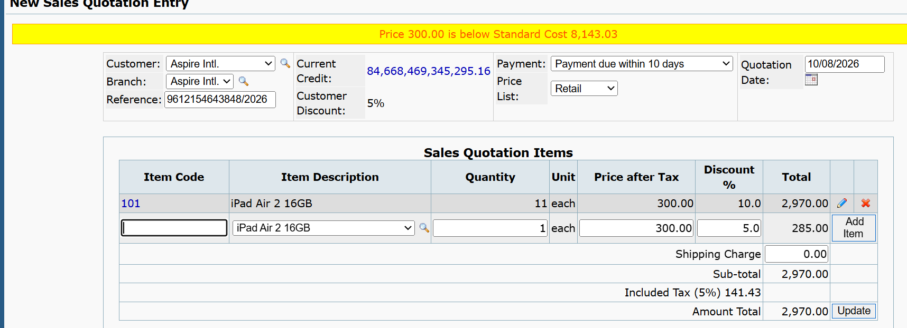

Sc_02-tc_02 - to test item get edit when quantity and discount are negative

Sc_02-tc_03 - to test item get edit when quantity is postive and discount is negative

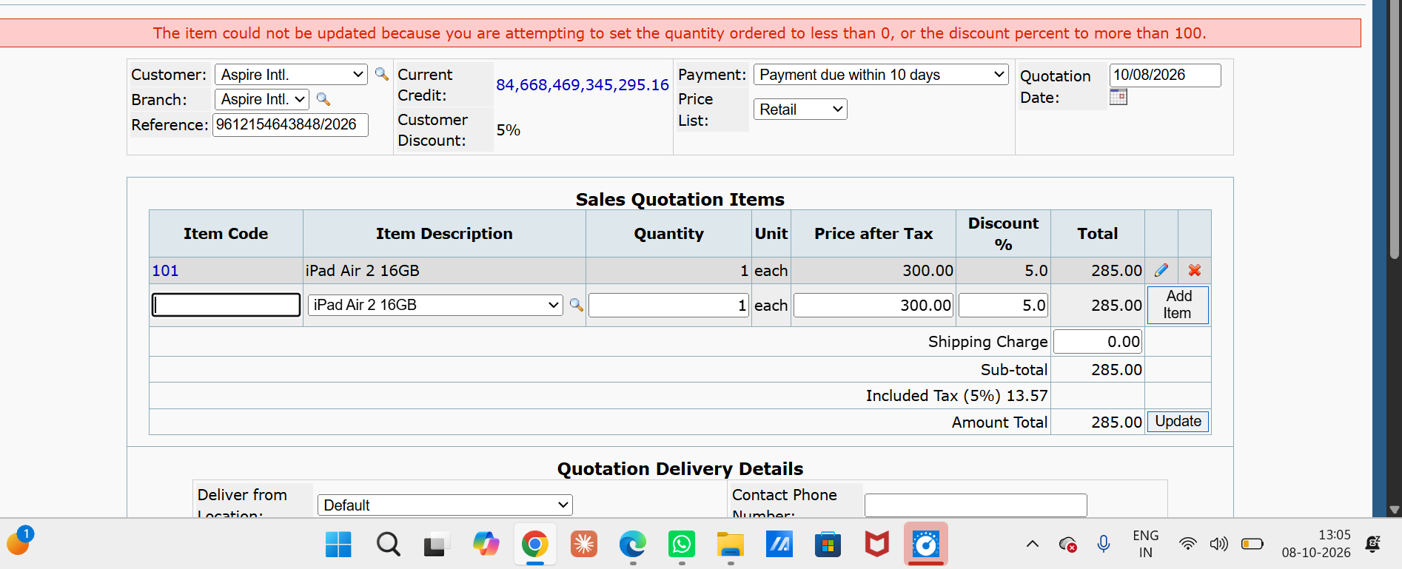

Sc_02-tc_04 - to test iten get edit when quantity is negative and discount is positive

Sc_03-tc_01 to Sc_05-tc_02
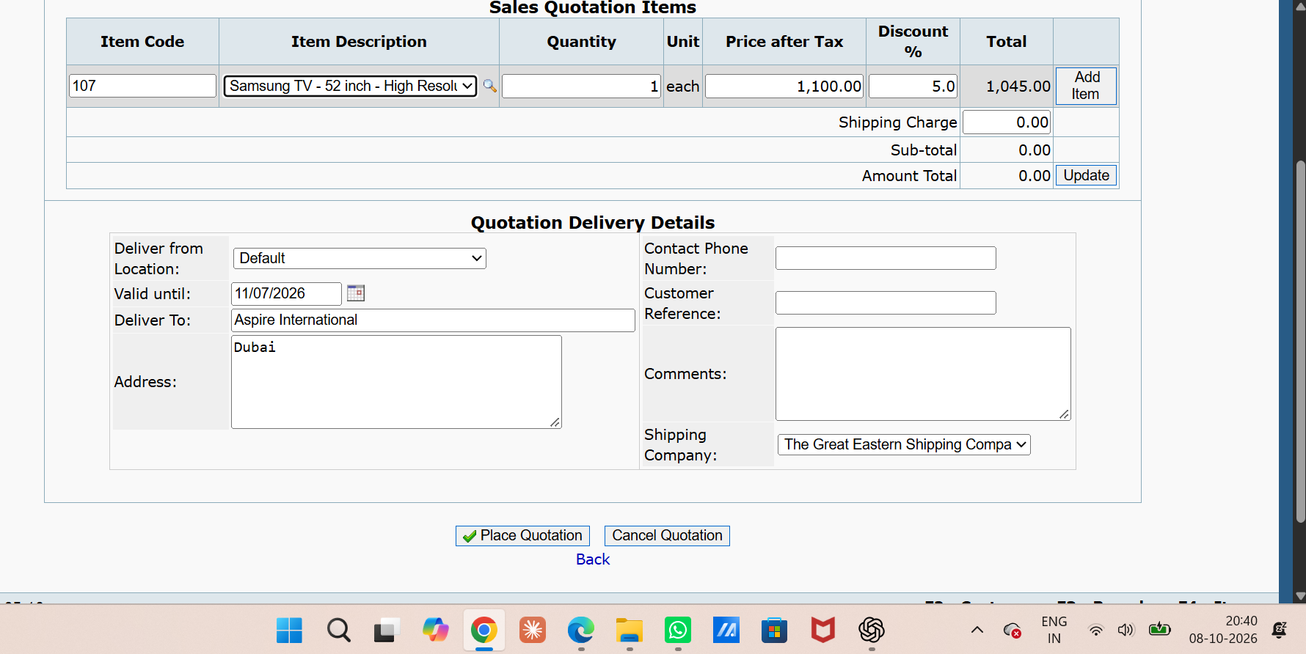
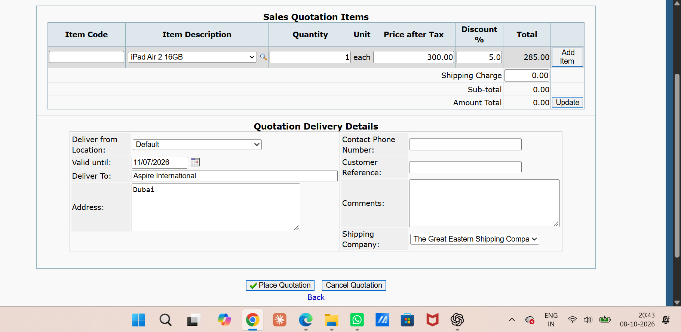
Sc_03-tc_01 - to test single item get delete when click on delete button
delete item

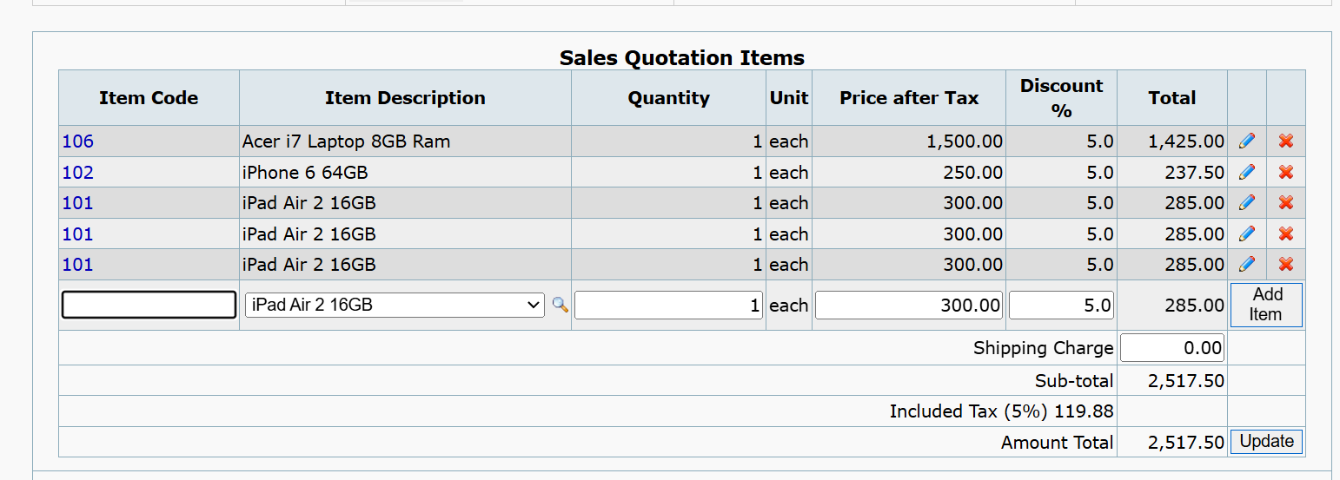
Sc_03-tc_02 - to test mutiple item get delete when click on delete button



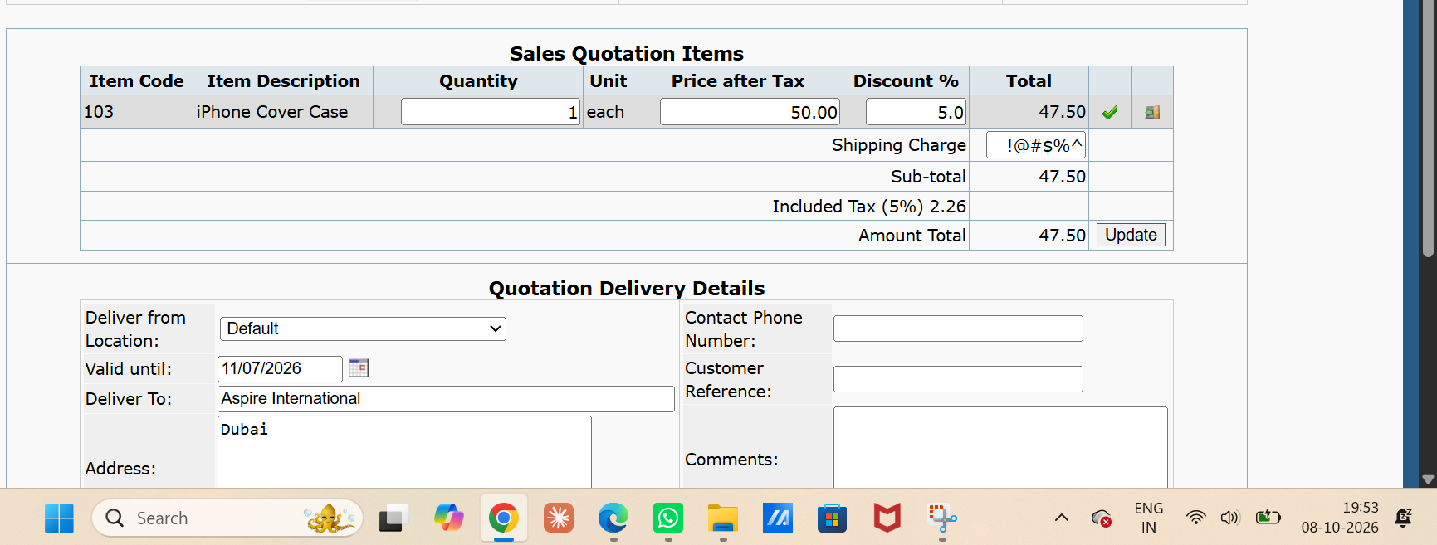
Sc_04-tc01 - to test item get updated when total amount calculate and shipping charge is invalid
updated items

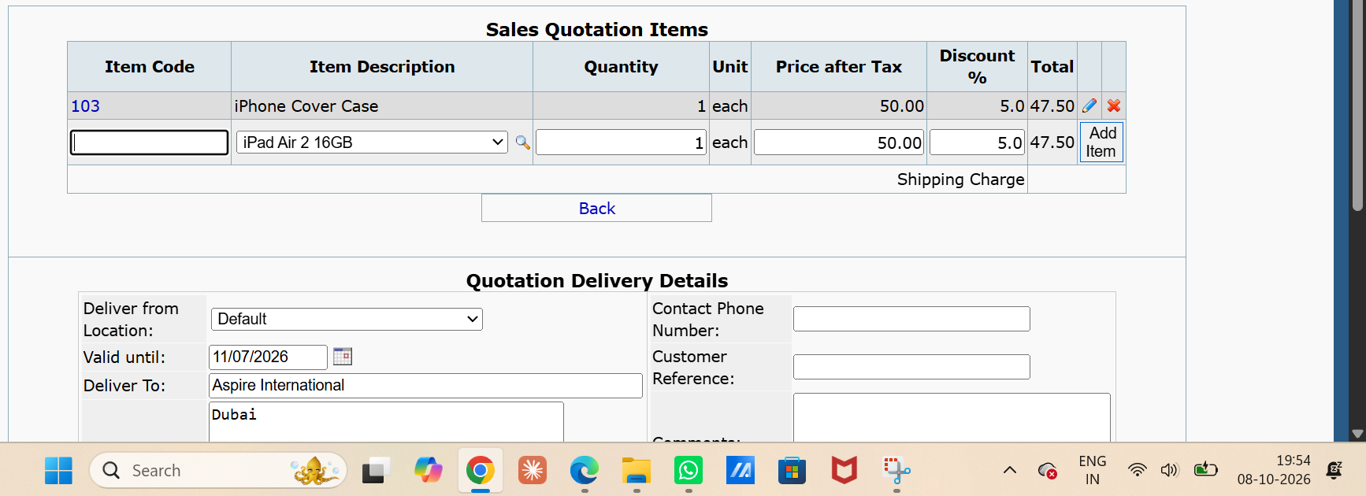

Sc_04-tc02 - to test item get updated when total amount calculate and shipping charge is valid

Sc_04-tc03 - to test item get updated when total amount calculate and shipping charge is blank

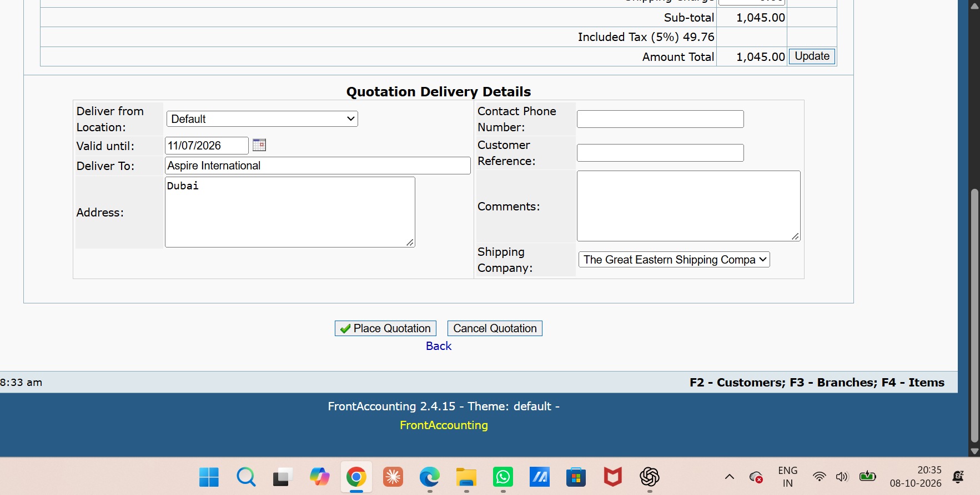
Sc_05-tc01 - to test the when clicked on back navigate on perivous module
Back Button

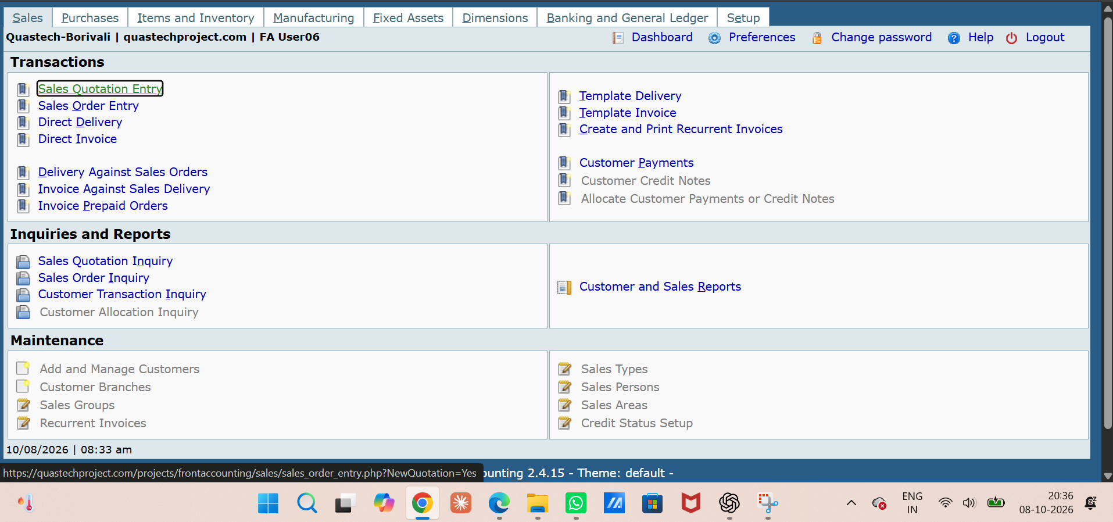

Sc_05-tc02 - To test or verify that when the user clicks the Back button, the previously entered/added data remains unchanged

Sc_06-tc_01 to Sc_07-tc_03
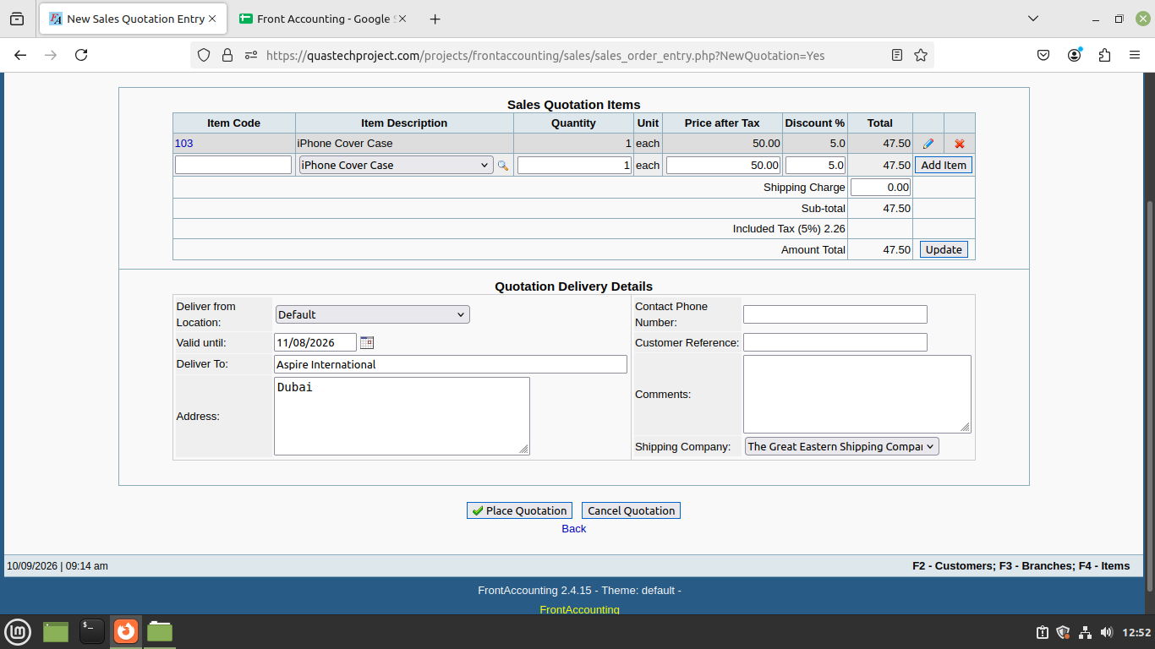
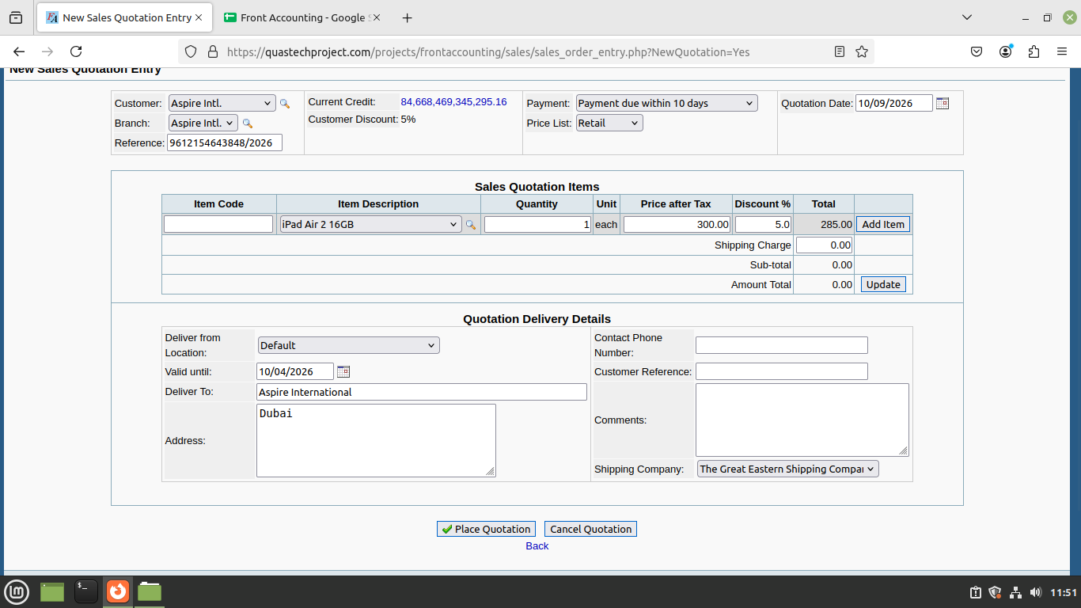
Sc_06-tc01 - to test quotation gets placed when current quotation date of "" valid until"" section in quotation delivery details is selected
Placed Quotation
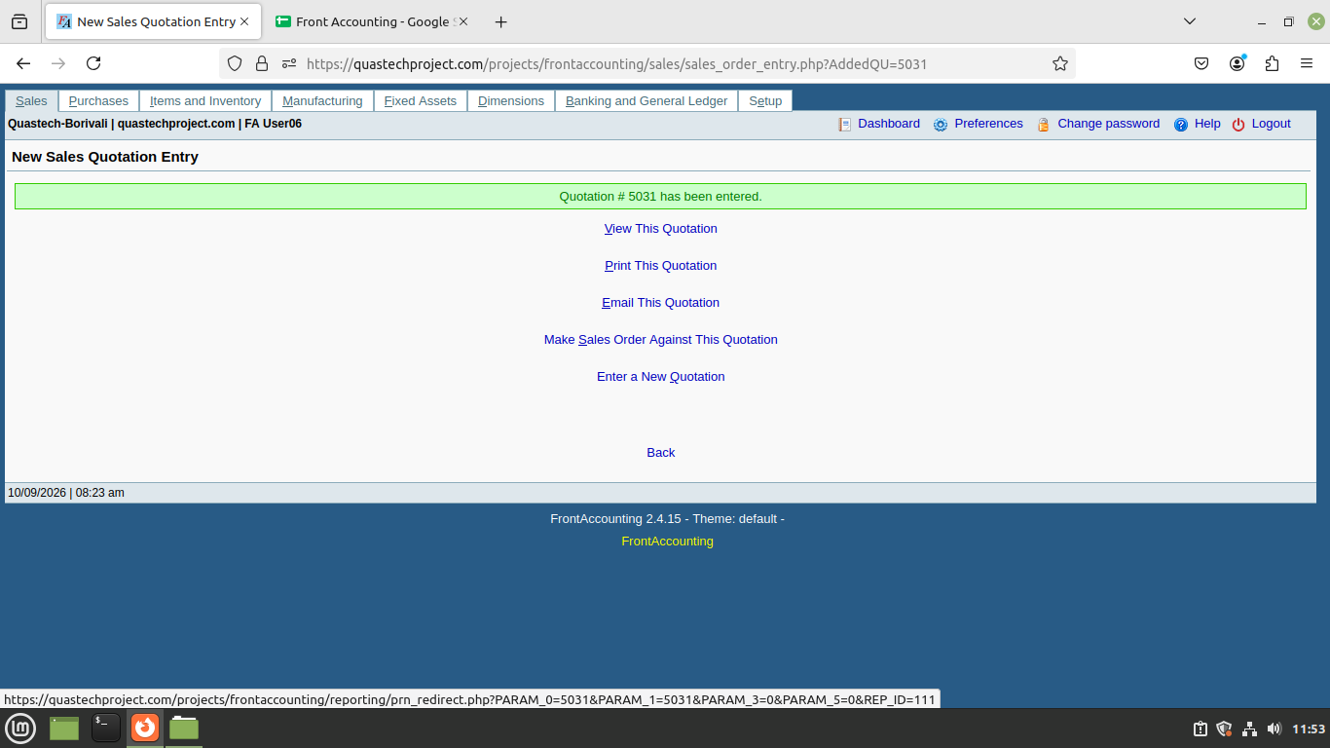

Sc_06-tc02 - to test quotation gets placed when past quotation date of "" valid until"" section in quotation delivery details is selected
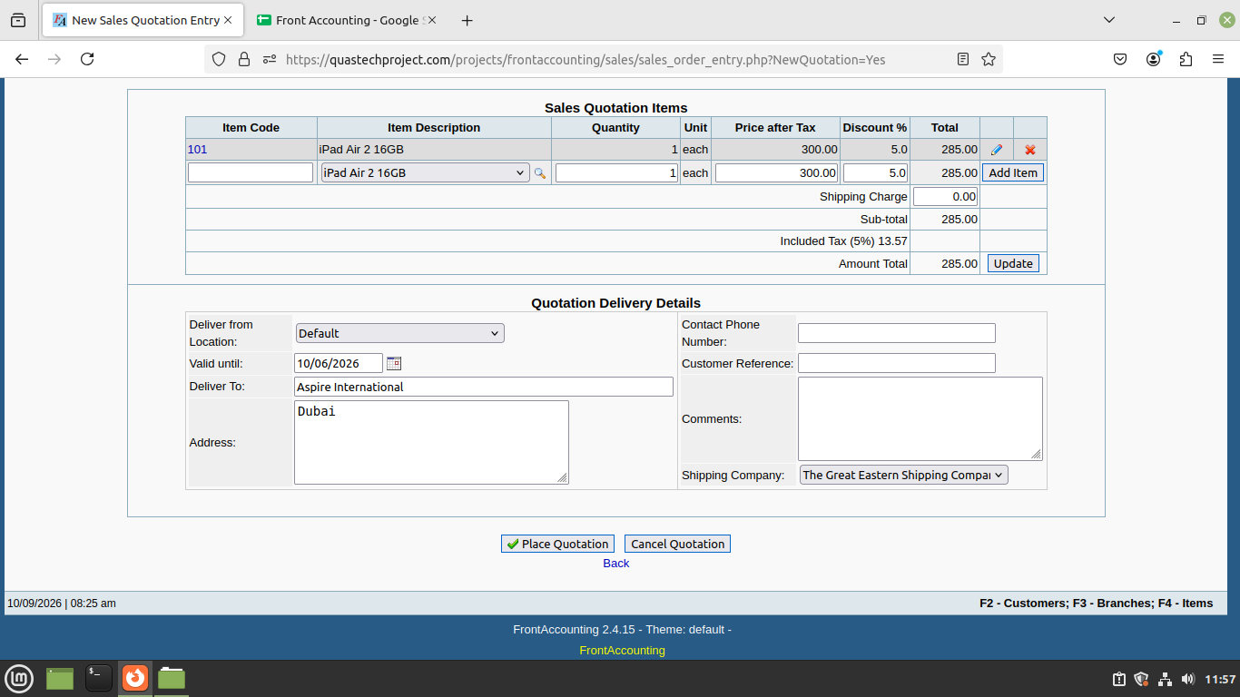
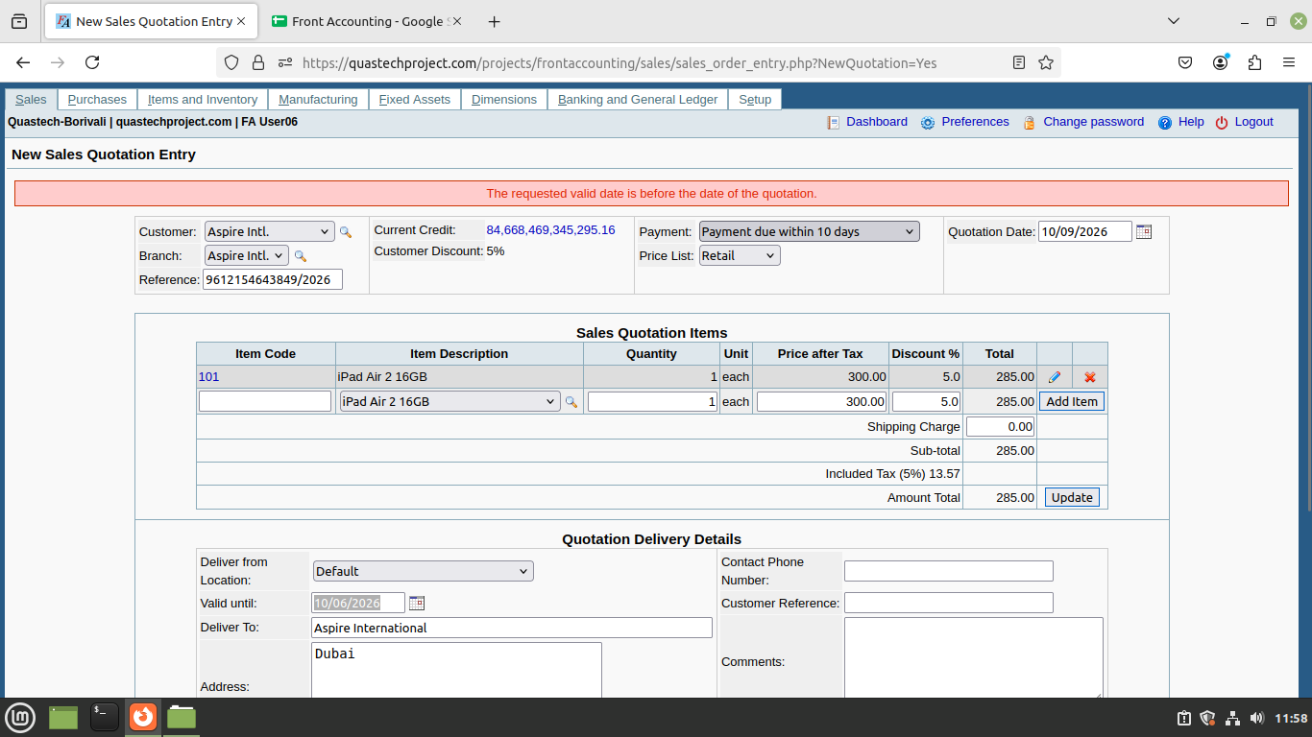

Sc_06-tc03 - to test quotation gets placed when future quotation date of "" valid until"" section in quotation delivery details is selected
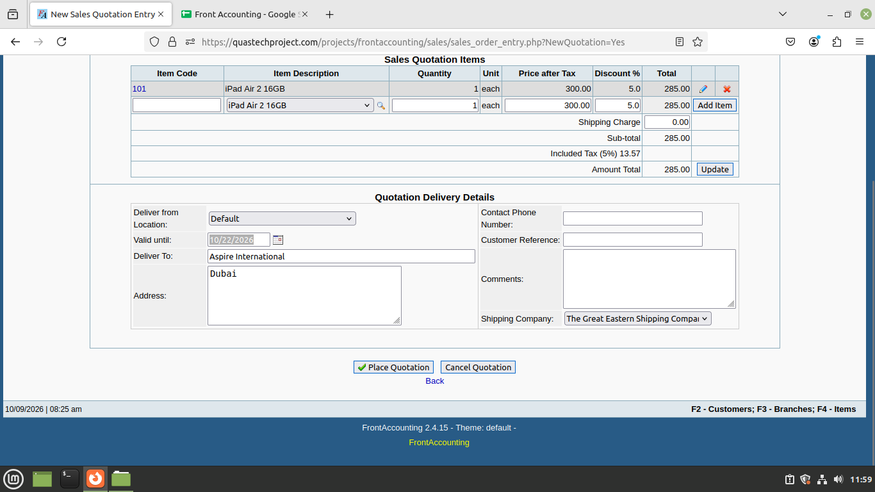

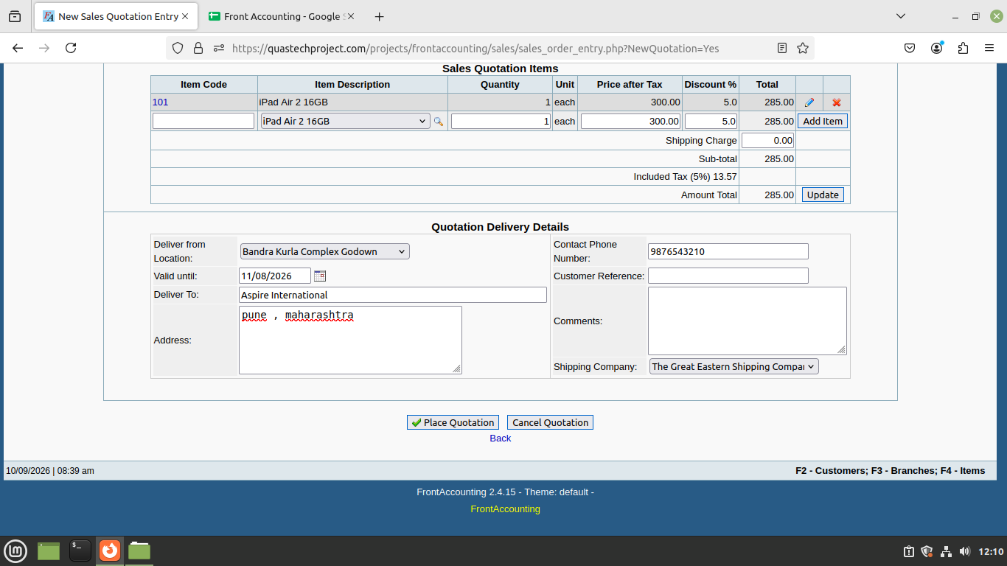
Sc_06-tc04 - to test quotation gets placed when delivery details of "" valid until"" section in quotation delivery details is valid
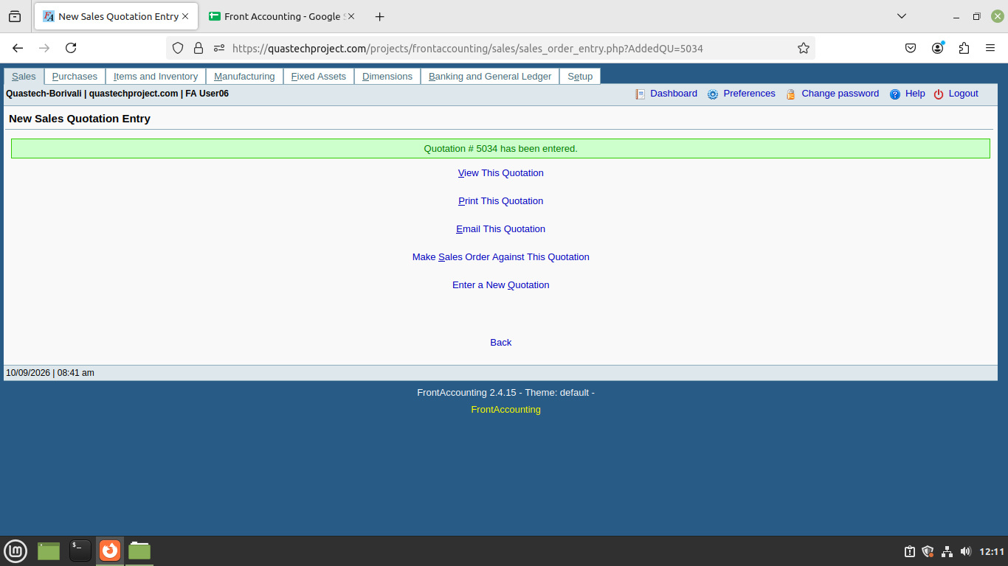

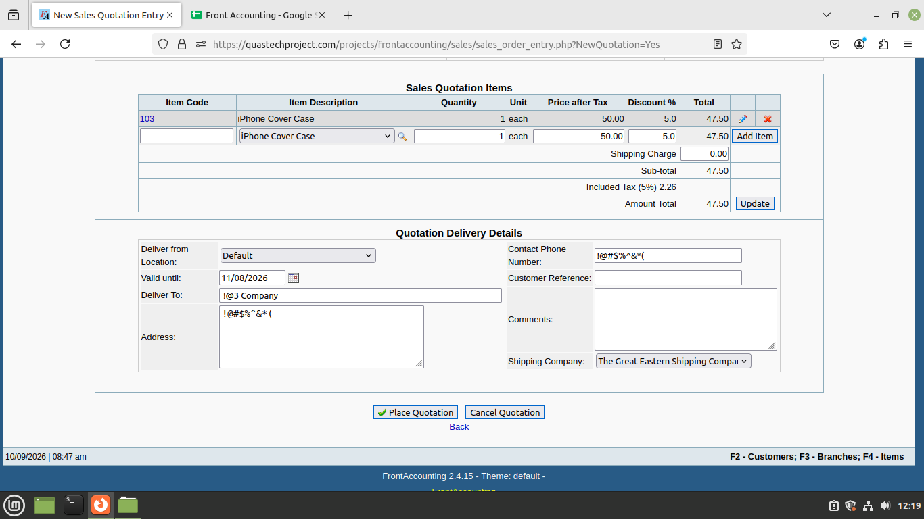

Sc_06-tc05 - to test quotation gets placed when delivery details of "" valid until"" section in quotation delivery details is invalid

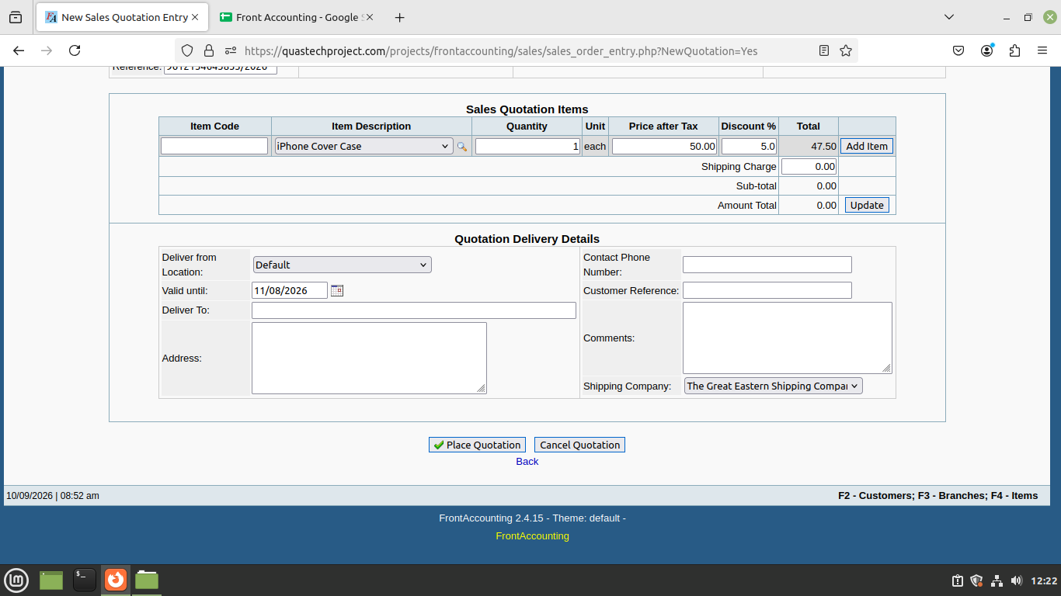
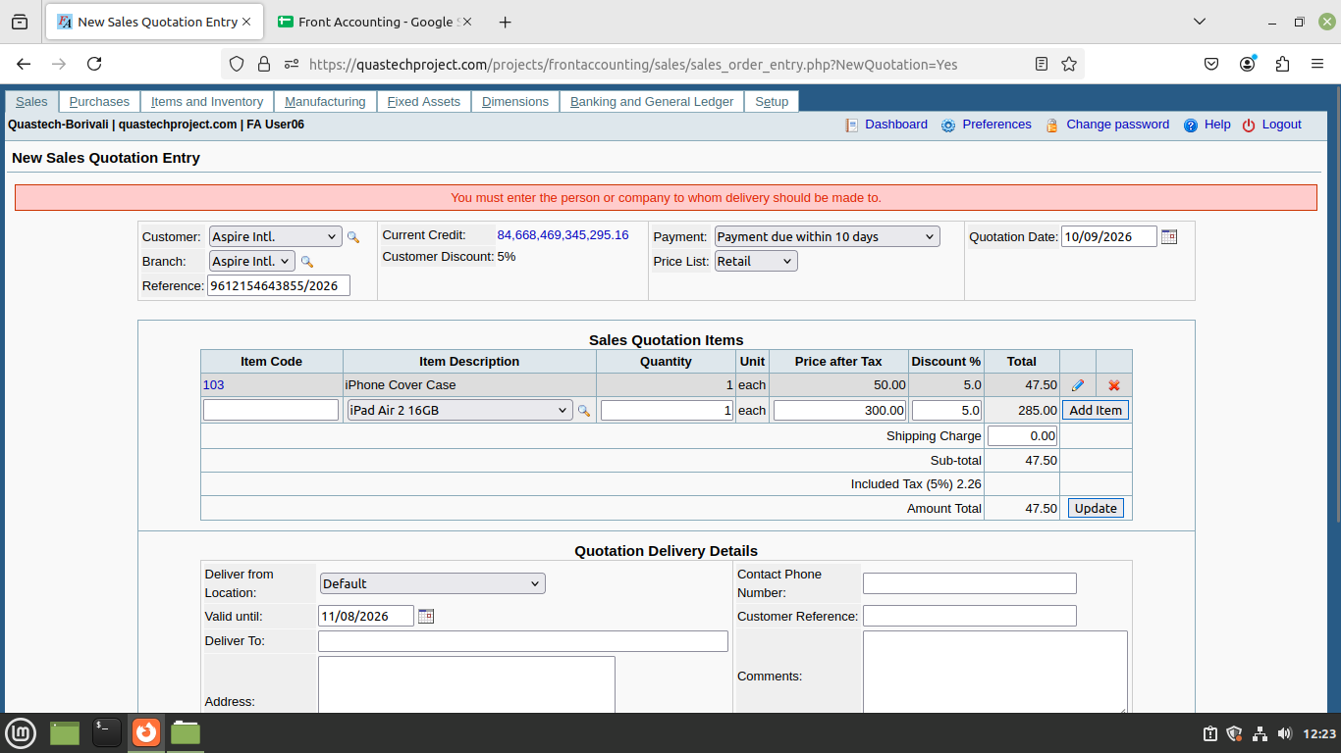
Sc_06-tc06 - to test quotation gets placed when delivery details of "" valid until"" section in quotation delivery details is blank

Sc_06-tc07 - to verify quotation gets placed when valid date such as persent and future date to place quotation
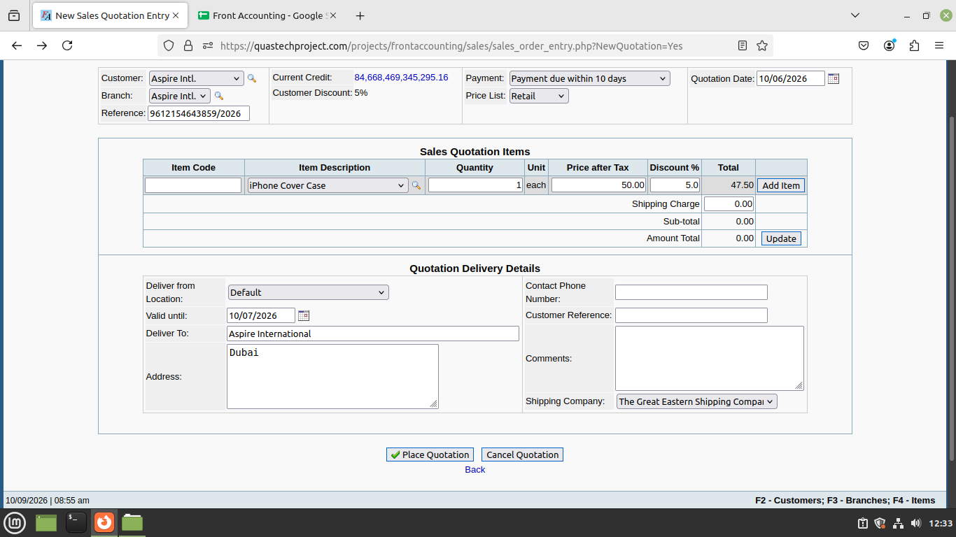


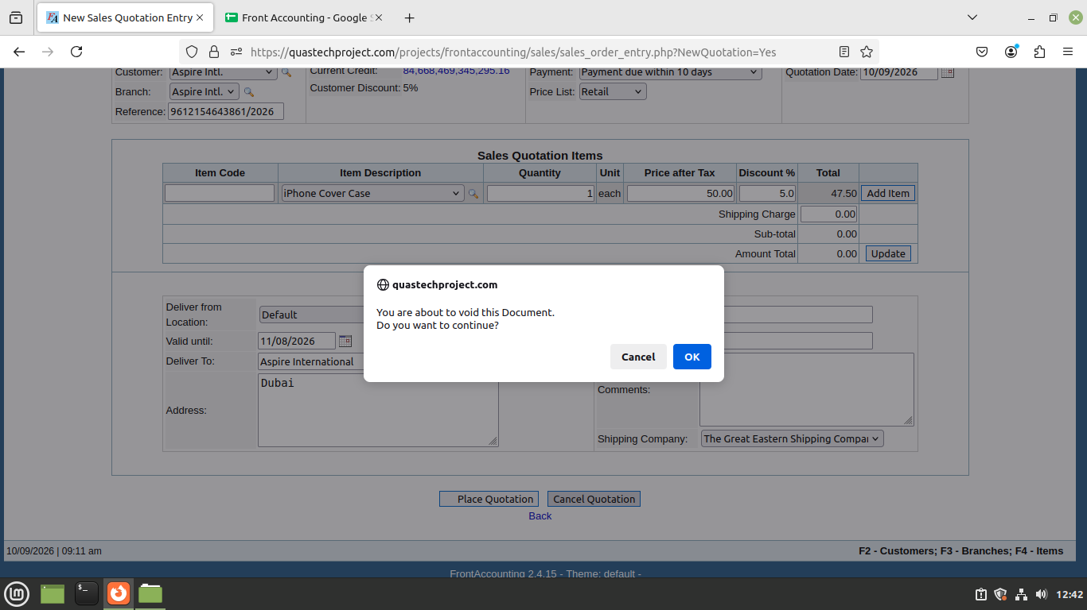
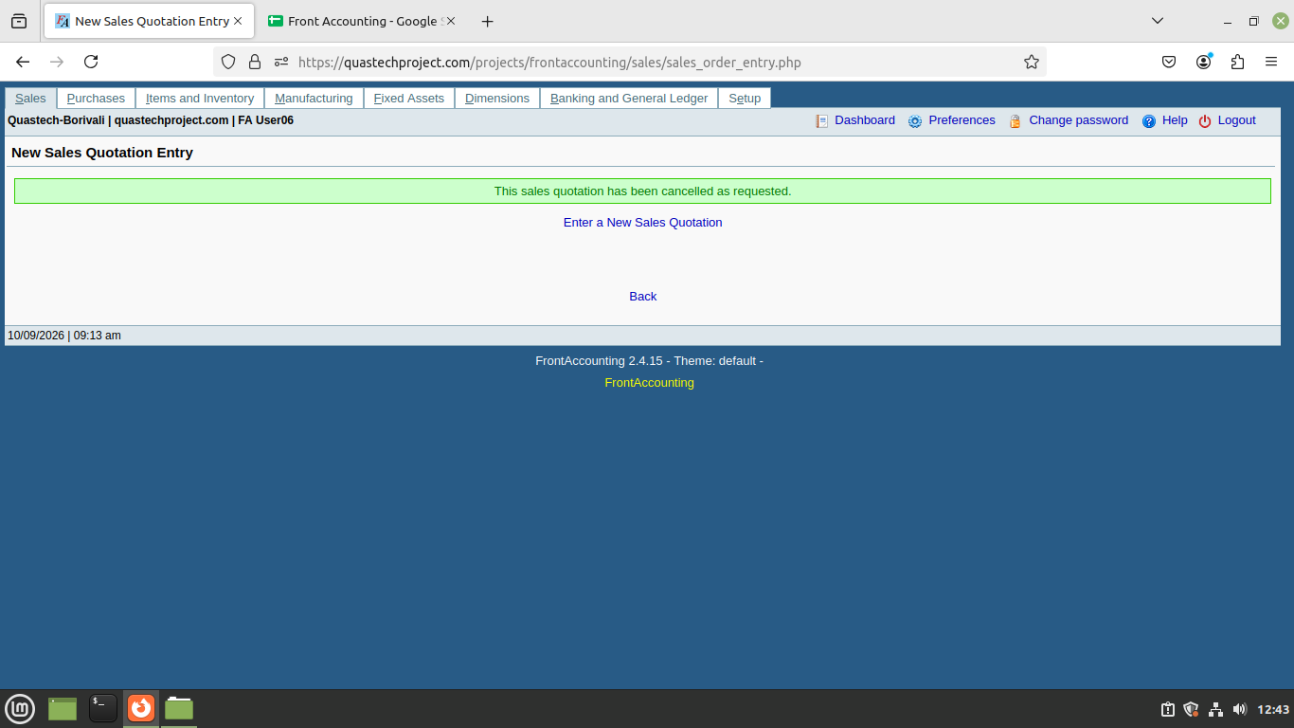
Sc_07-tc01 - To test if the quotation is cancelled when Cancel Quotation is clicked and OK is selected
Cancel Quotation

Sc_07-tc02 - To test if the quotation is cancelled when Cancel Quotation is clicked and Cancel is selected.
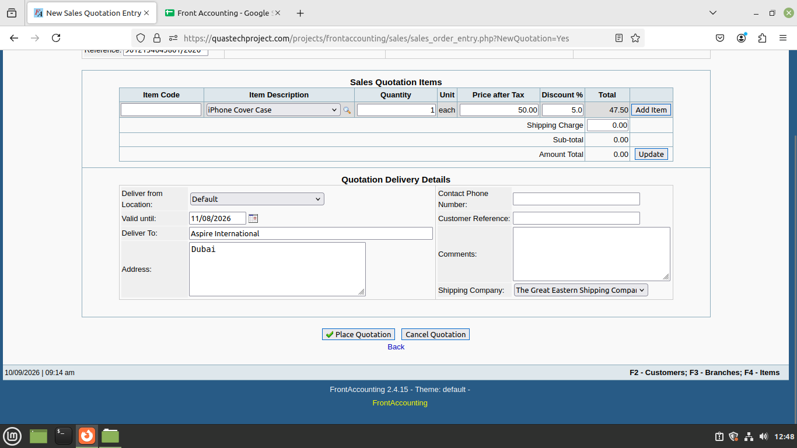

Sc_07-tc03 - To test if the quotation remains unchanged when Cancel Quotation is not clicked.

m2 Sc08-tc_01 to Sc_13-tc_02
Sc_08-tc01 - To test or verify that the mutiple items can be added or not in sales order entry .
Add more item

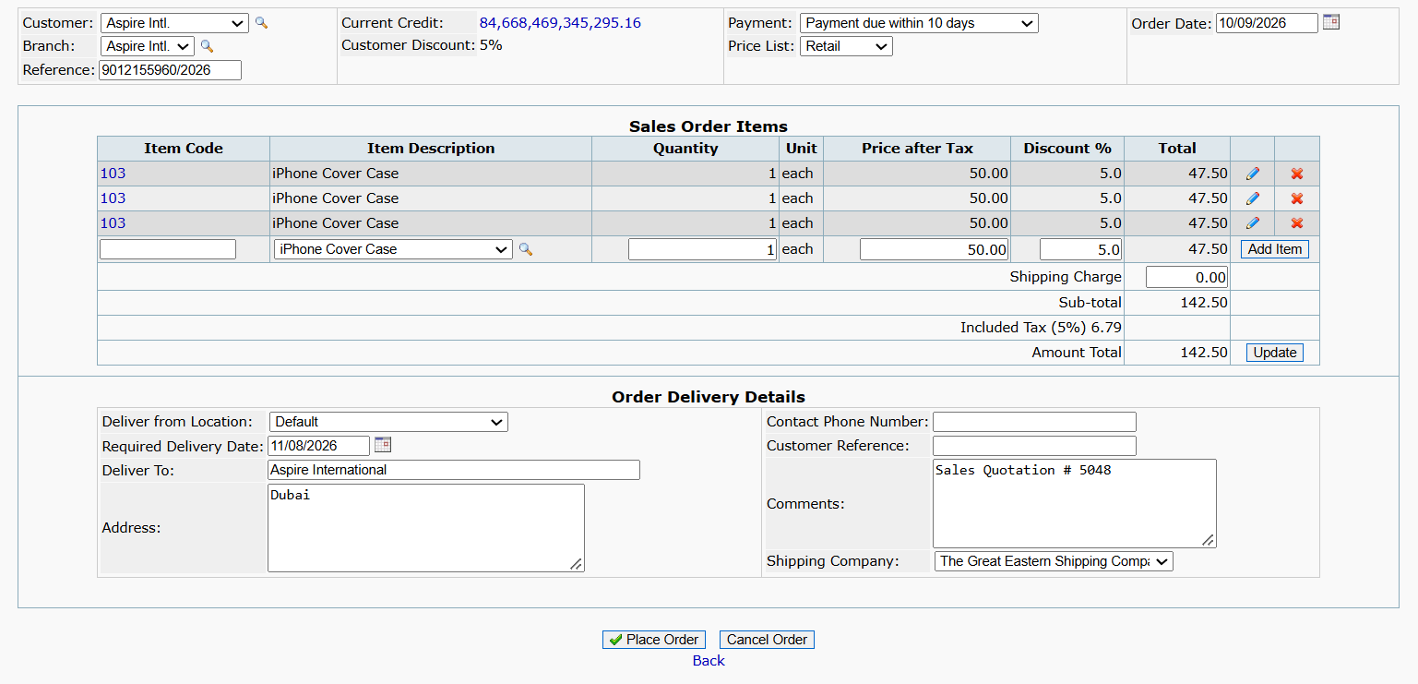
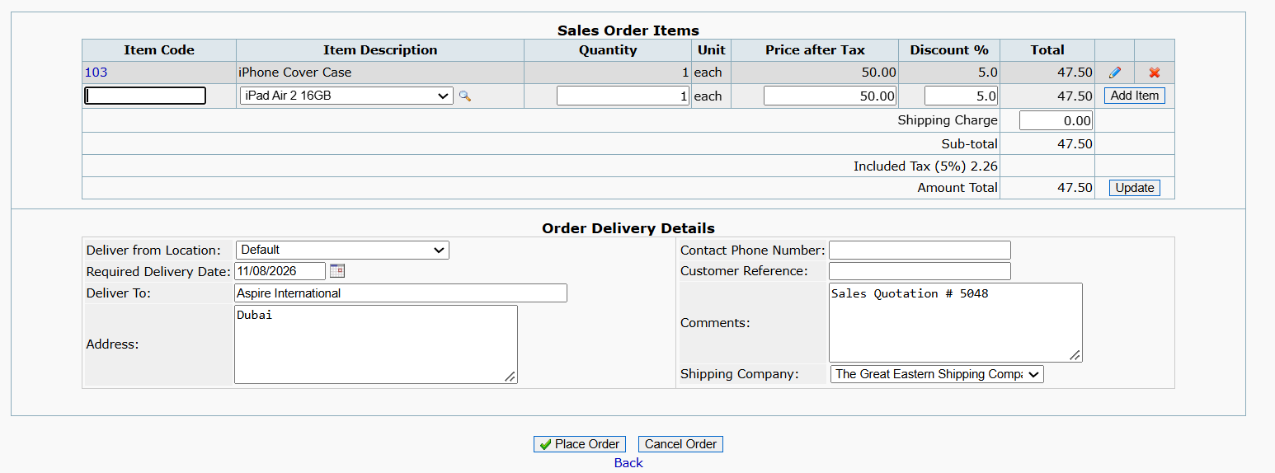

Delete item
Sc_09 tc_01 - to test mutiple item get delete when click on delete button{refer sc_03 - tc 01}

sc_09 tc_02 - to test single item get delete when click on delete button{refer sc_03 - tc_02}

Edit item
Sc_10-tc01 - to test item get edit when quantity and discount are positive {refer sc_02}

Sc_10-tc02 - to test item get edit when quantity and discount are negative {refer sc_02}

Sc_10-tc_03 - to test item get edit when quantity is postive and discount is negative{refer sc_02}

Sc_10-tc_04 - to test iten get edit when discount is negative and quantity is positive {refer sc_02}

placed Order
Sc_11-tc_01 - to test quotation gets placed when current quotation date of "" valid until"" section in quotation delivery details is selected {refer to sc _06}

Sc_11-tc_02 - to test quotation gets placed when past quotation date of "" valid until"" section in quotation delivery details is selected{refer to sc_06}

Sc_11-tc_03 - to test quotation gets placed when future quotation date of "" valid until"" section in quotation delivery details is selected{refer to sc_06}

Sc_11-tc_04 - to test quotation gets placed when delivery details of "" valid until"" section in quotation delivery details is valid{refer to sc_06}

Sc_11-tc_05 - to test quotation gets placed when delivery details of "" valid until"" section in quotation delivery details is invalid{ refer to sc_06}

Sc_11-tc_06 - to test quotation gets placed when delivery details of "" valid until"" section in quotation delivery details is blank{refer to sc_06}

Sc_11-tc_07 - to verify quotation gets placed when valid date such as persent and future date to place quotation{refer to sc_06}

Cancel Order
Sc_12-tc_01 - To test if the quotation is cancelled when Cancel Quotation is clicked and OK is selected{refer to sc_07}

Sc_12-tc_02 - To test if the quotation is cancelled when Cancel Quotation is clicked and Cancel is selected.{ refer to sc_07}

Sc_12-tc_03 - To test if the quotation remains unchanged when Cancel Quotation is not clicked.{refer to sc_07}

Back
Sc_13_tc01 - to test the when clicked on back navigate on perivous module{ refer to Sc_05}

Sc_13_tc02 - To test or verify that when the user clicks the Back button, the previously entered/added data remains unchanged (refer to sc_05}

m3 sc_14 -tc01 to sc_21-tc03
Sc_14-tc01 - To test or verify user can select valid Delivery from section when click by the user
Delivery from

Shipping Company List
Sc_15-tc_01 - To test or verify that the Shipping Company list is displayed Valid when accessed by the user.

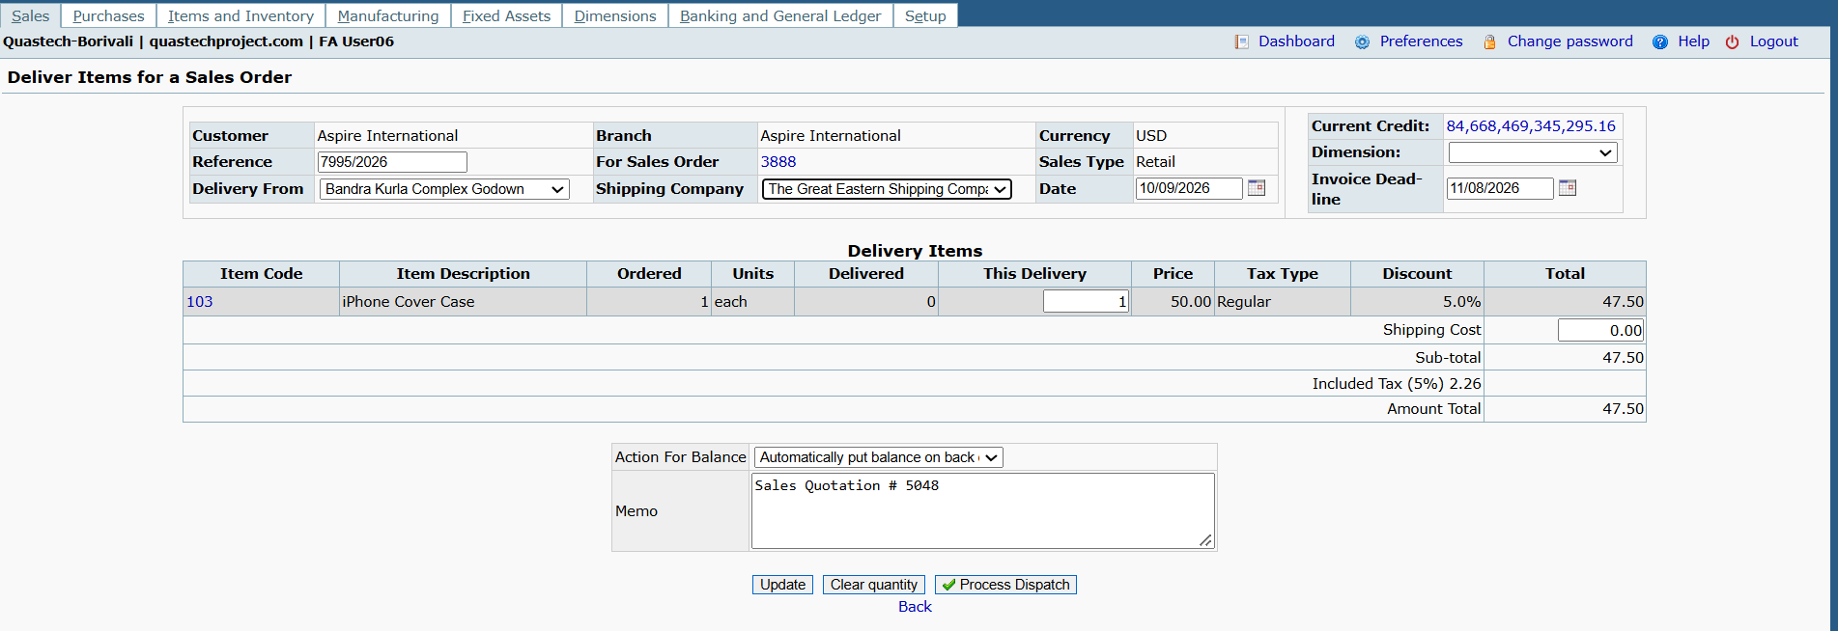
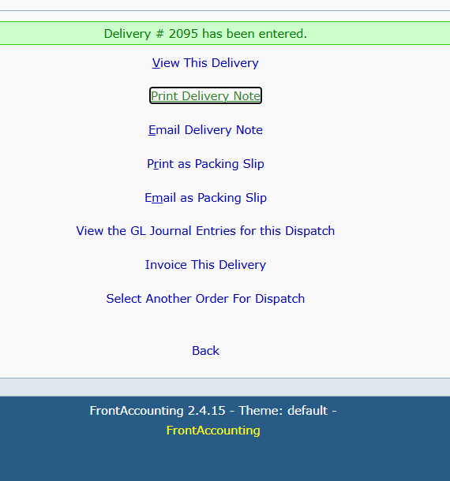
This Delivery
Sc_16-tc01 - 1. To test or verify This Delivery gets updated when a valid order value is entered

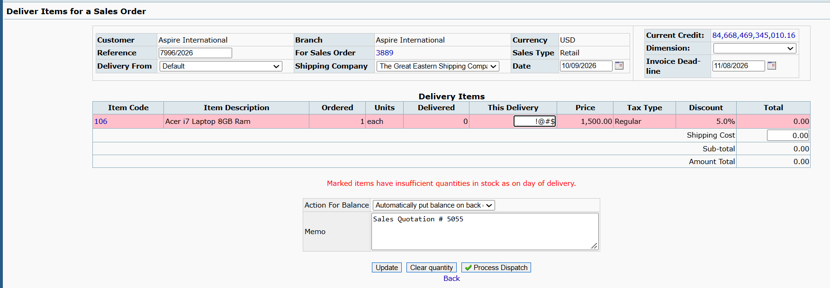
Sc_16-tc02 - To test or verify This Delivery when an invalid/blank/negative value is entered.
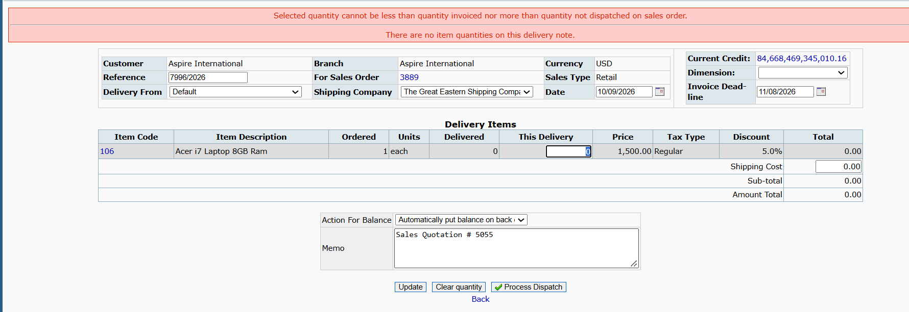

Sc_16-tc03 - 3. To test or verify This Delivery when dispatching quantity is less than/more than ordered quantity and action for balance is “Automatically put balance on back order”.
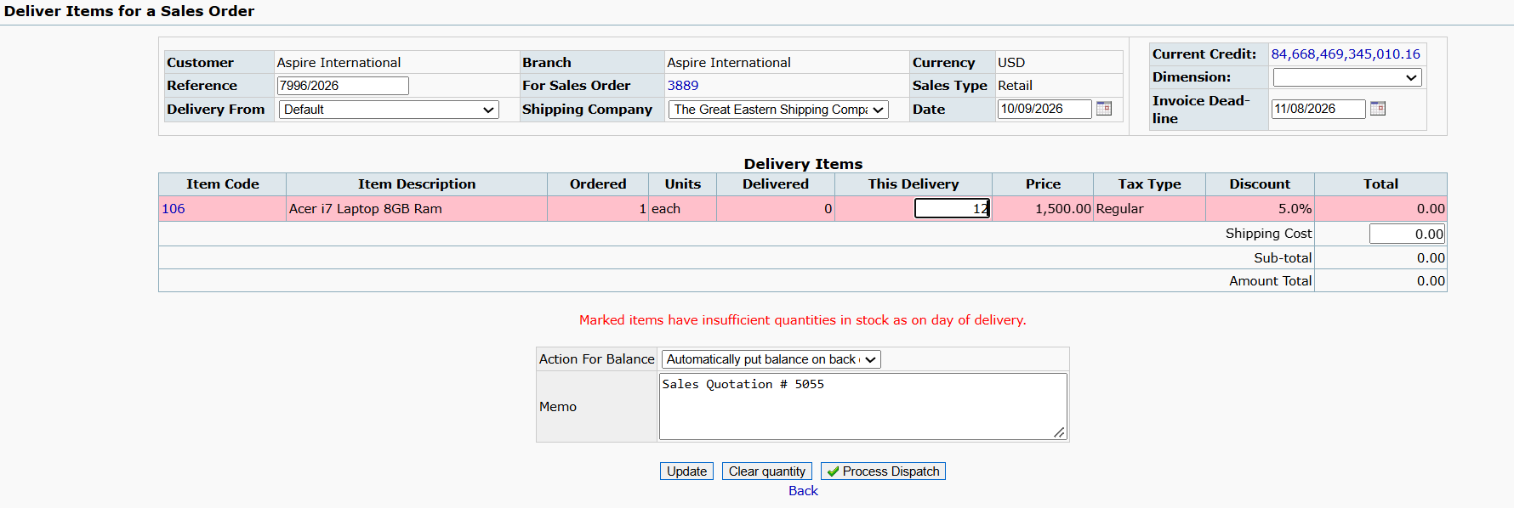
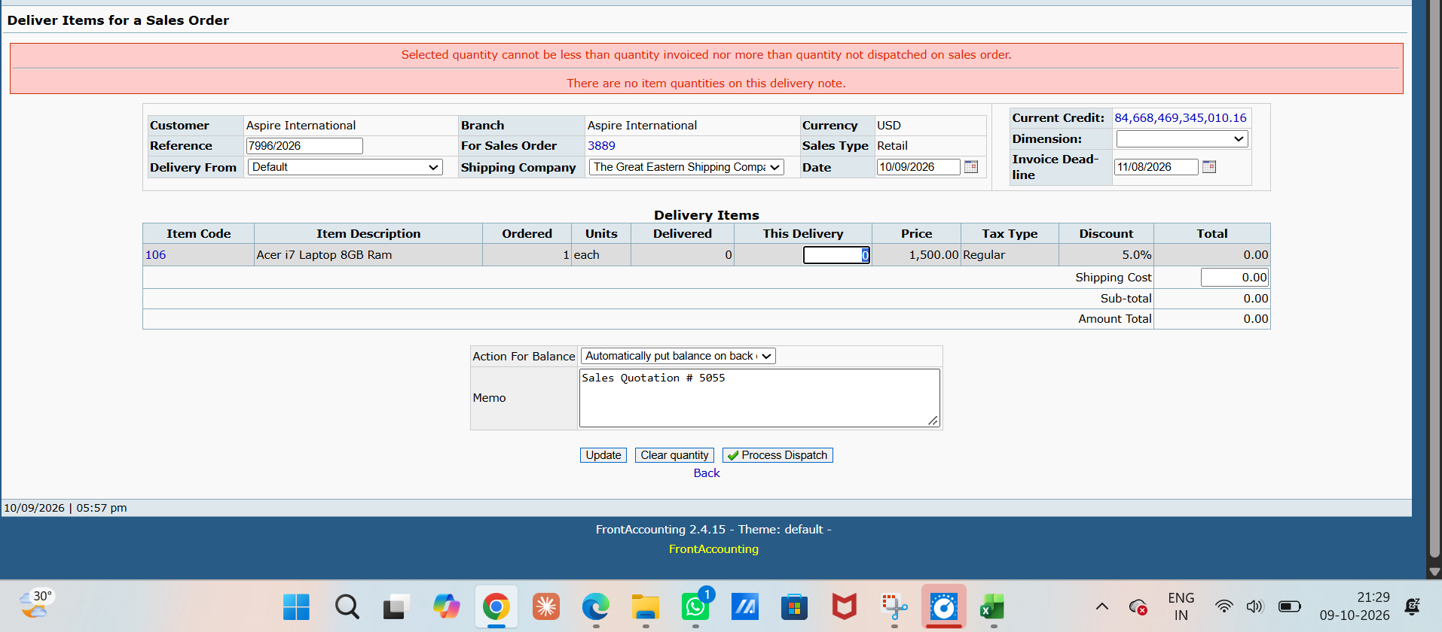

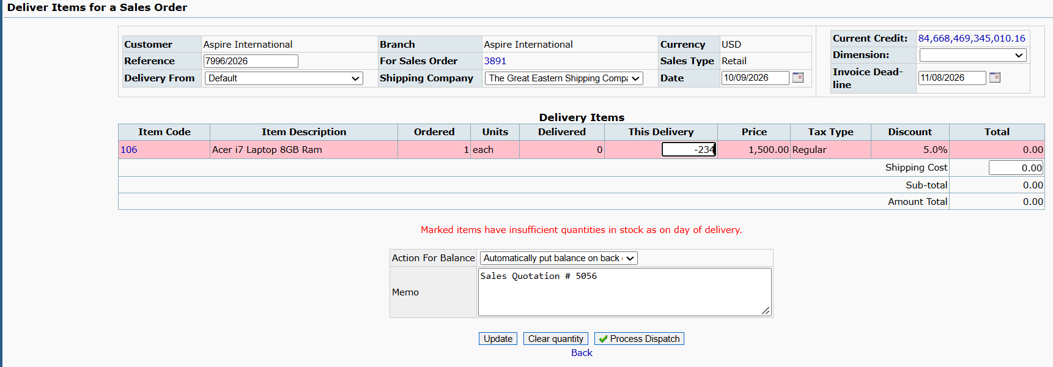
Sc_16-tc04 - 4To test or verify This Delivery when dispatching quantity is less than/more than ordered quantity and action for balance is “Cancel any quantities not delivered”.

DATE
Sc_17-tc01 - To test or verify Deliver Items for a Sales Order date is future date
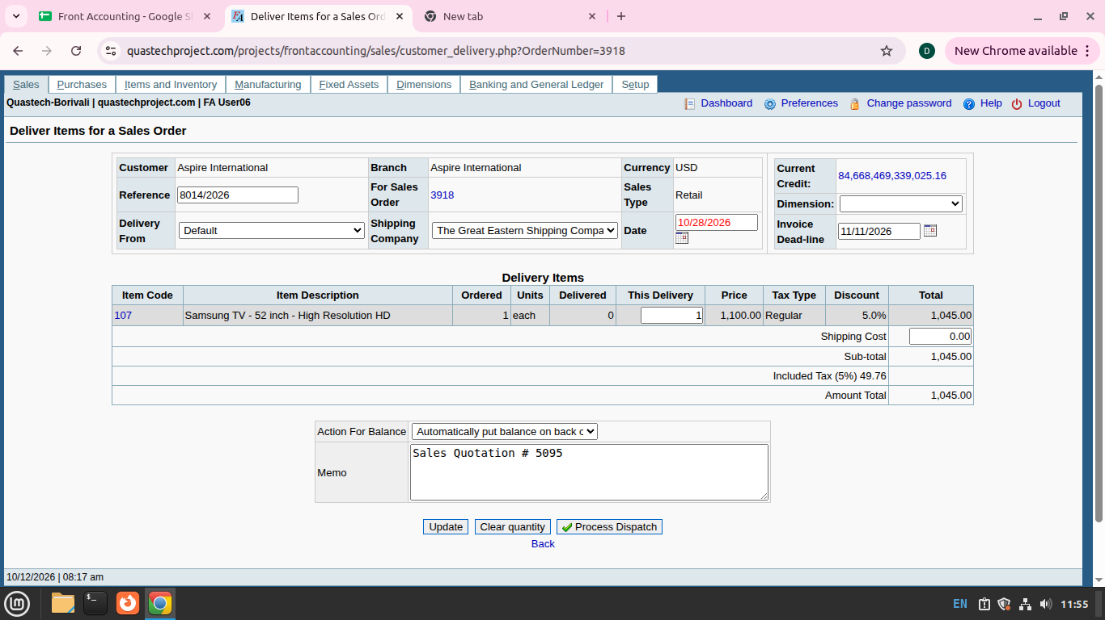
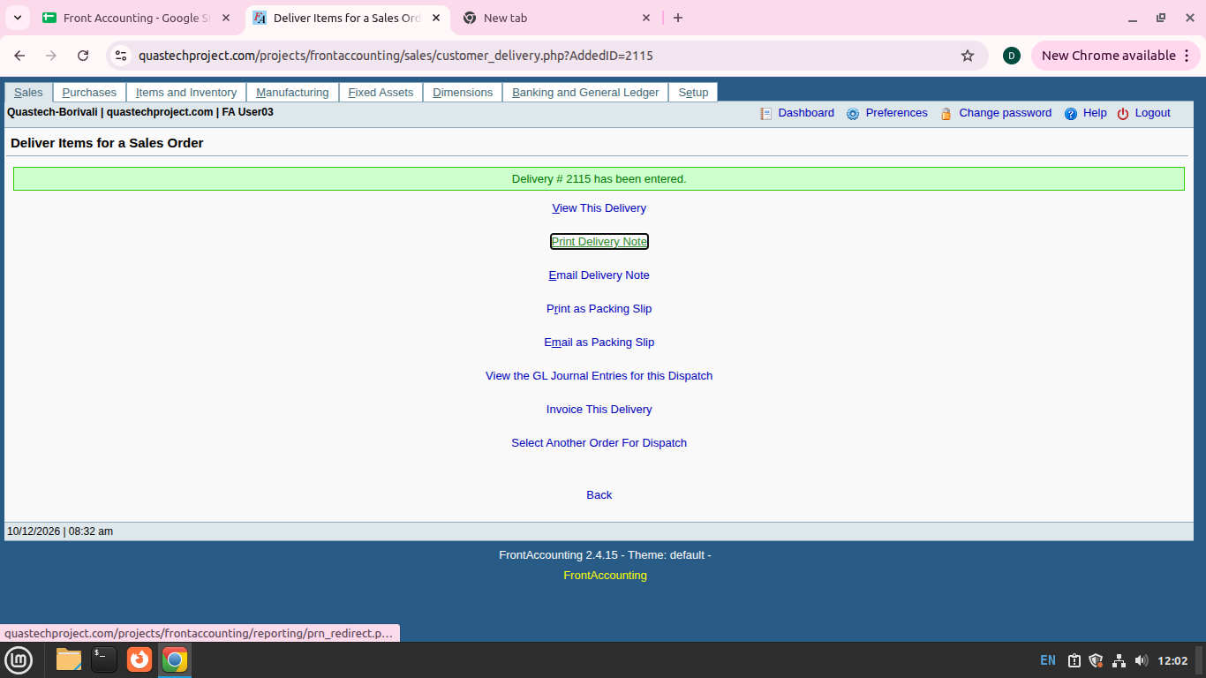

Sc_17-tc02 - To test or verify Deliver Items for a Sales Order date is past date or default value
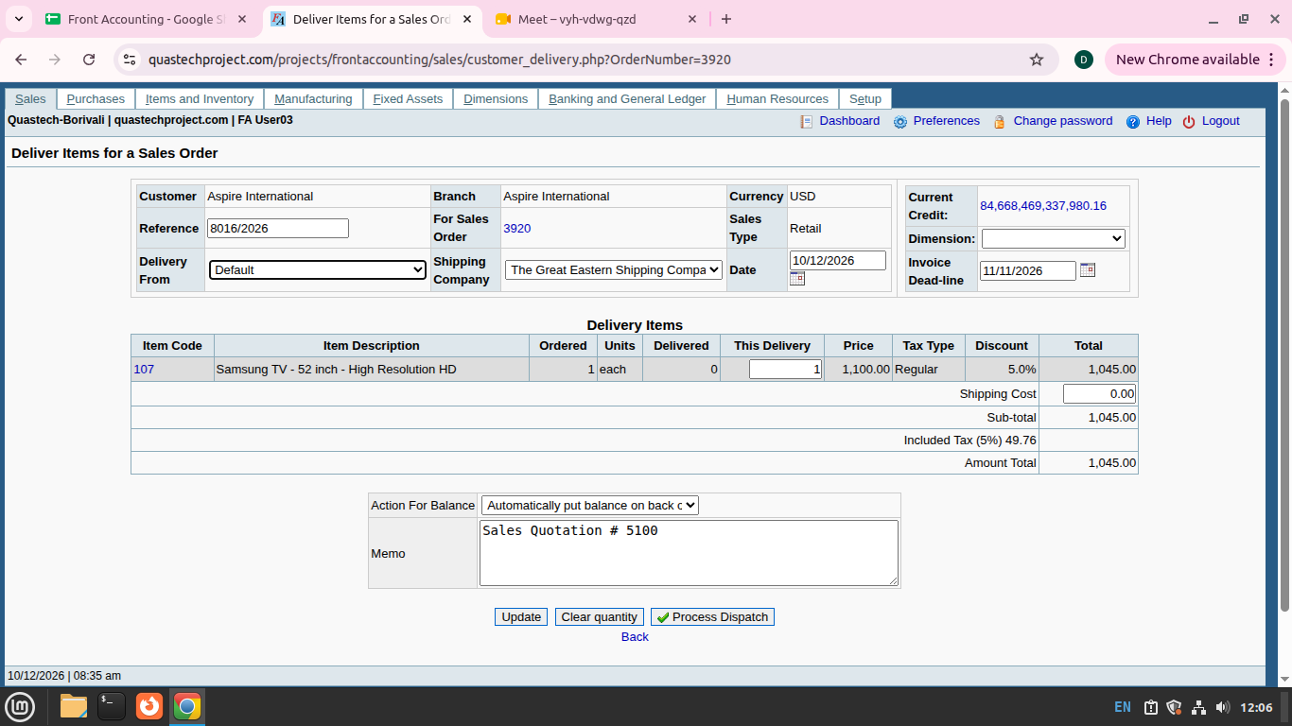

process dispatch Button
Sc_18-tc01 - To test or verify the process dispatch when valid Data are entered.

Sc_18-tc02 - To test or verify the process dispatch when lnvalid/Blank Data are entered.
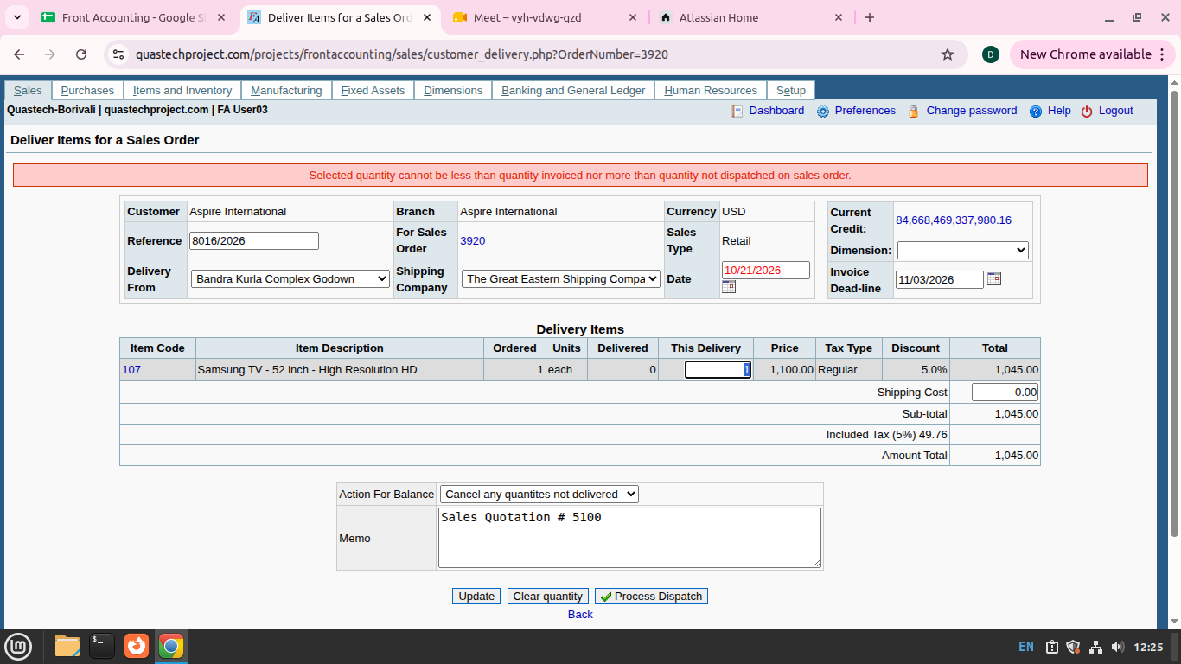

Clear quantity & reset Quantity button
Sc_21-tc01 - To test Clear Quantity sets This Delivery quantity to 0 and sets Total, Sub-total, Included Tax and Amount Total to 0.
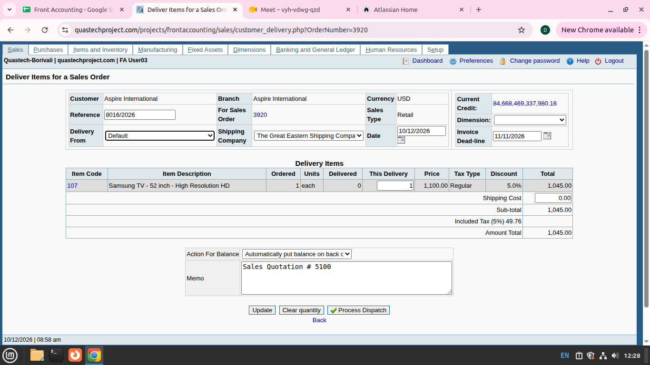
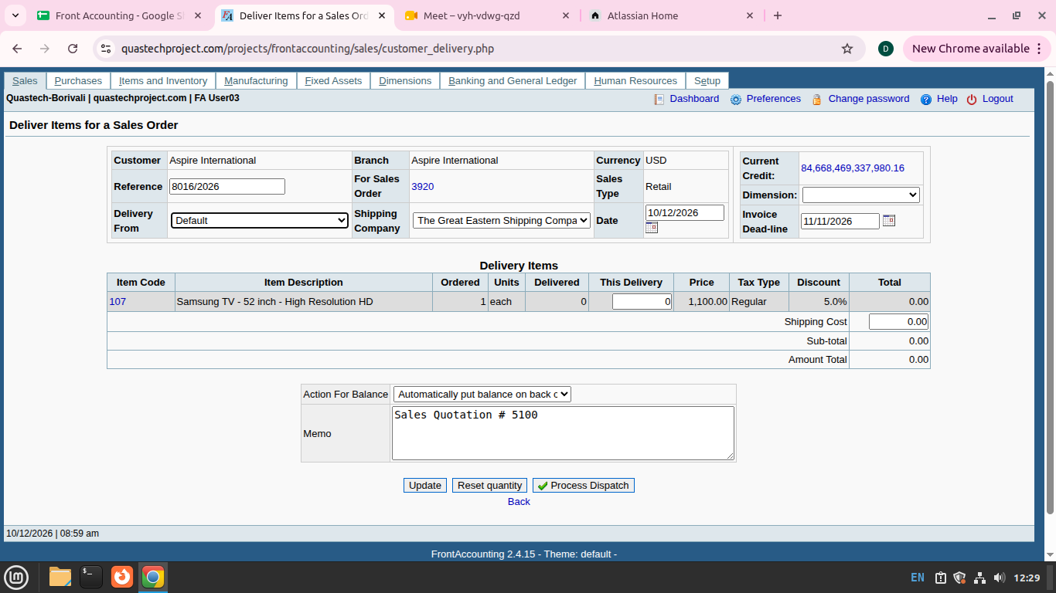

Sc_21-tc02 - To test Reset Quantity sets This Delivery quantity equal to Ordered quantity and recalculates Total, Sub-total, Included Tax and Amount Total accordingly.


Sc_21_tc_03 - To test the Clear Quantity button is renamed to Reset Quantity after clearing the delivery quantity.

Back
Sc_19-tc_01 - to test the when clicked on back navigate on perivous module{refer to sc_05}

Sc_19-tc02 - To test or verify that when the user clicks the Back button, the previously entered/added data remains unchanged {refer to sc_05}

update
Sc_20-tc01 - to test item get updated when total amount calculate and shipping charge is invalid {refer to sc_04}

Sc_20-tc02 - to test item get updated when total amount calculate and shipping charge is valid {refer to sc_04}

Sc_20-tc03 - to test item get updated when total amount calculate and shipping charge is blank{refern to sc_04}

m4 & m5 sc_22-tc01 to sc_32-tc0
Process invoice- to verify process invoice functionality
Sc_22-tc01 - test or verify that the Invoice Date is populated with the current/system date, allows a past date, and does not allow a future date.
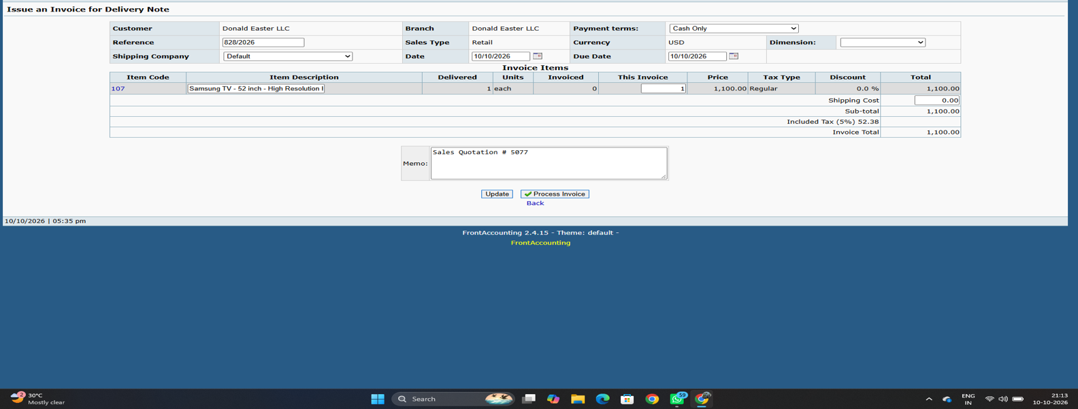
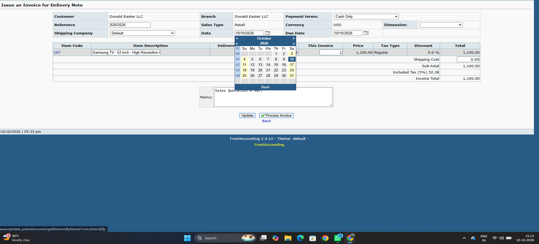

Sc_22-tc02To test or verify that the user can select the required Payment Terms from the available options.

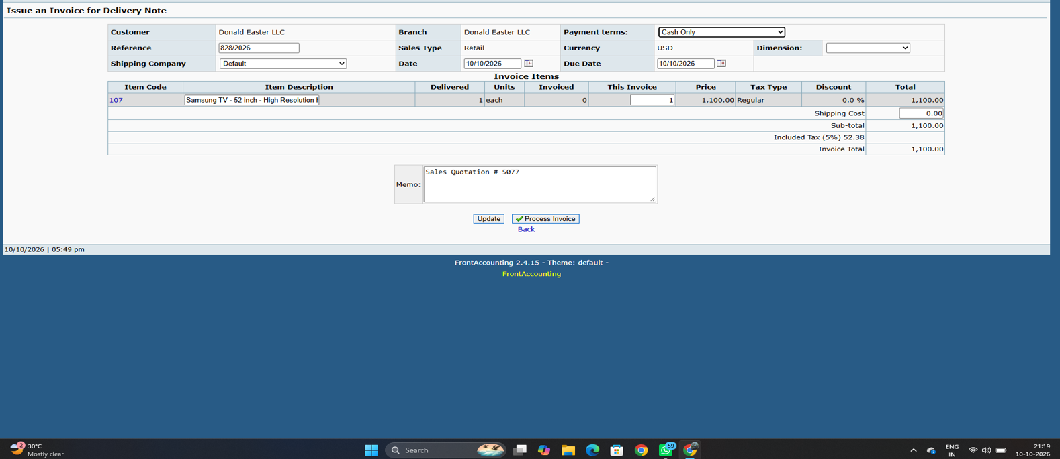
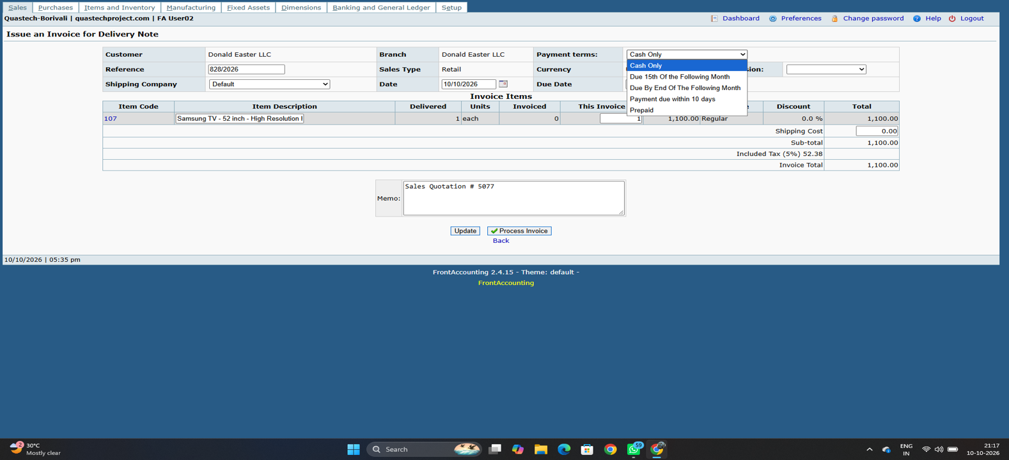

Sc_22 - tc03 To test or verify that the Due Date is calculated correctly based on the selected Payment Terms and Invoice Date.
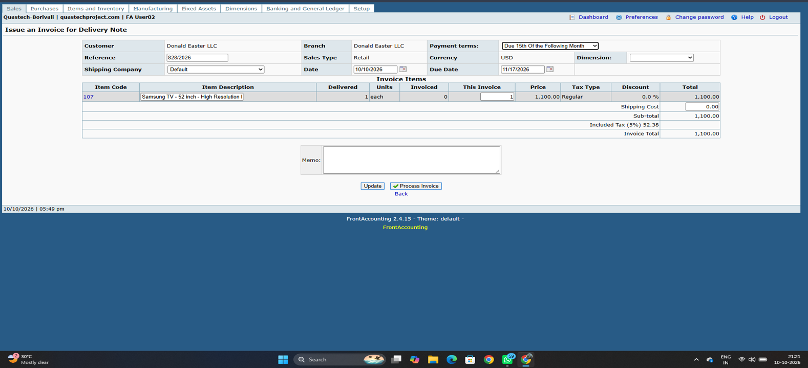

Sc_22- tc04 test or verify that clicking Process Invoice successfully processes the invoice and creates the required dispatch entry
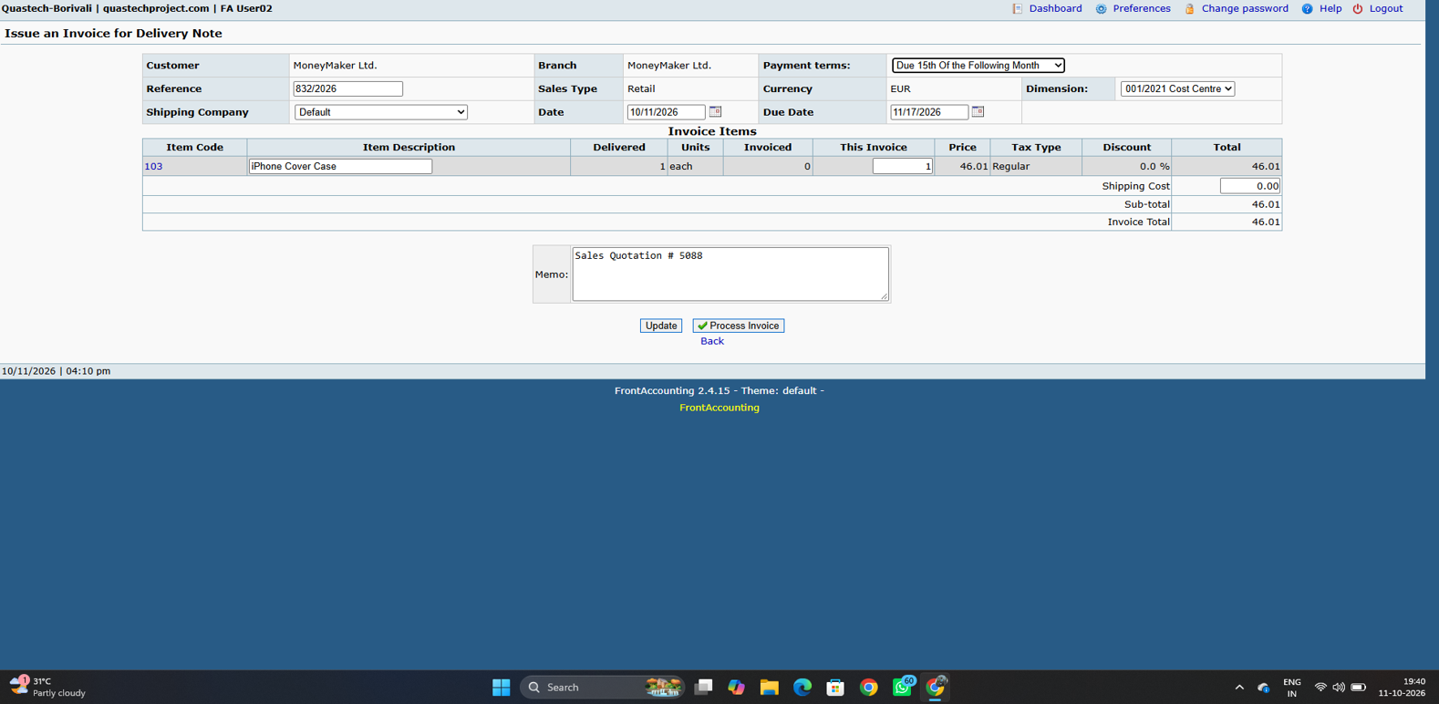
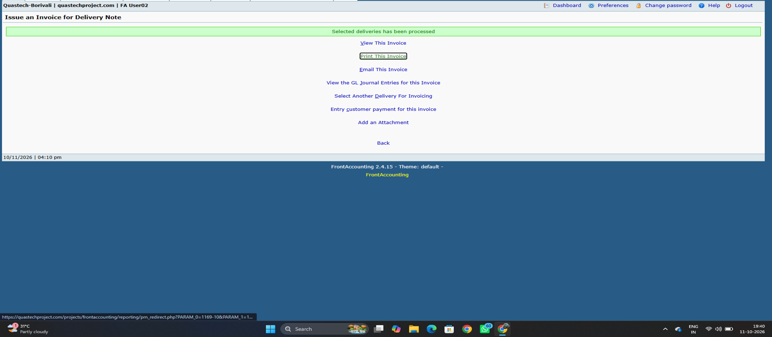

to verify the Reference functionality
Sc_23-tc01 To test or verify that the Reference is displayed for the invoice.

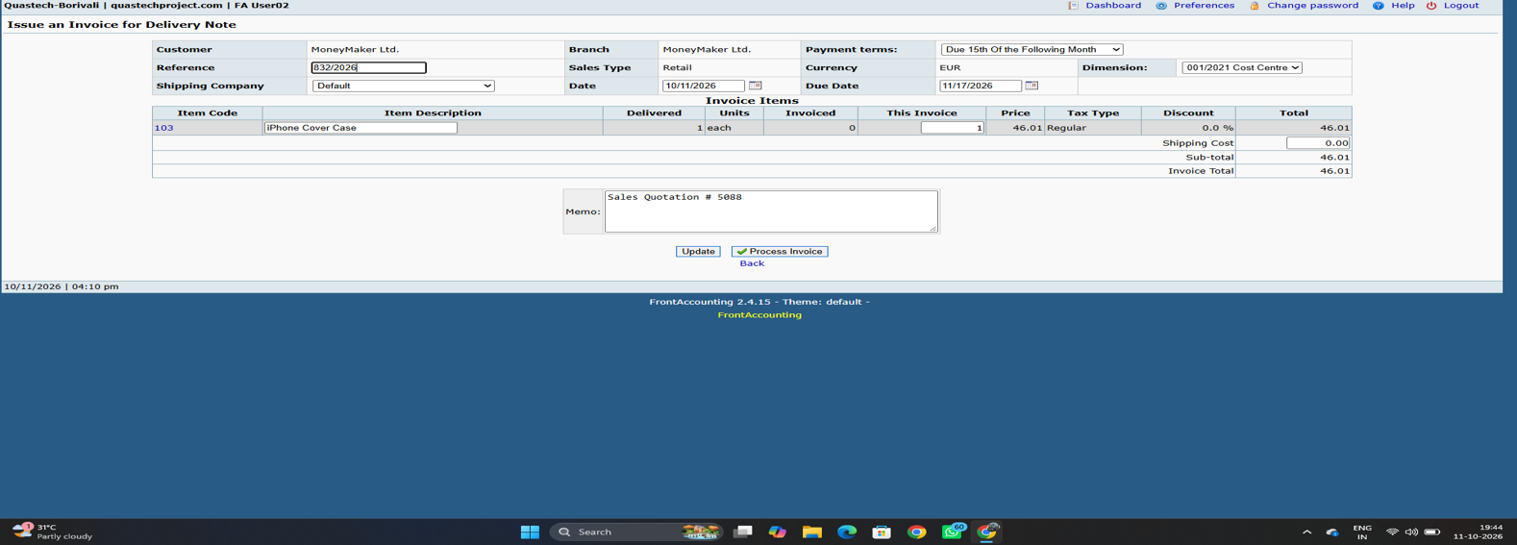

Sc_23-tc02To test or verify that the Reference is automatically generated for the invoice



Back
sc_24-tc01to test the when clicked on back navigate on perivous module{refer to sc_05}

Sc_24-tc02 To test or verify that when the user clicks the Back button, the previously entered/added data remains unchanged {refer to sc_05}

update
sc_25-tc01 to test item get updated when total amount calculate and shipping charge is invalid {refer to sc_04}

sc_24-tc02 to test item get updated when total amount calculate and shipping charge is valid {refer to sc_04}

sc_24-tc03to test item get updated when total amount calculate and shipping charge is blank{refer to sc_04}

module 6
Section 2
Supplier & Receive Into
sc_33 -tc01 To test or verify user can select required Valid section when value is correctly dropdown


Supplier's Reference
Sc_34-tc01To test or verify that the user can enter Valid alphanumeric Reference value


Sc_34-tc02To test or verify that the user can enter Blank Reference value


Deliver to
Sc_35-tc01To test or verify user enter valid address


Sc_35-tc02To test or verify user enter Blank address


Add item
Sc_36-tc01To test item get add when Item code is enterned negative and quantity,price,required delivery date are are positive

sc_36-tc02 To test item get add when quantity is enterned negative and add code,price,required delivery date are are positive

sc_36-tc03 To test item get add when price is enterned negative and add code,quantity,required delivery date are are positive

Sc_36-tc04 - To test item get add when item code,quantity ,price ,required delivery date is positive

Place order button
Sc_40-tc01 - To test or verify the place order get placed when valid Data are entered.



Sc_40-tc02 - To test or verify the process for dispatching selected item when lnvalid/Blank Data are entered.



Cancel order
Sc_41-tc01 - To test or verify the Cancel order button should clear the page and displayed back


Sc_41-tc02 - To test or verify the Cancel order button should not clear the page and not navigate back module


Back
Sc_42-tc01 - Tto test the when clicked on back navigate on perivous module

Sc_42-tc02 - To test or verify that when the user clicks the Back button, the previously entered/added data remains unchanged






Order Date
Sc_39-tc01 - To test or verify Purchase Order Entry date is future date


Sc_39-tc02 - To test or verify Purchase Order Entry date is default date or past date

module 7 & module 8
update
Sc_43-tc01 - To test or verify can update This delivery data when Quantity is Equal Ordered unit


Sc_43-tc02 To test or verify can update This delivery data when Quantity is less then Ordered unit


Sc_43-tc03 To test or verify can update This delivery data when Quantity is Blank Ordered unit


Process Receive Item
Sc_44-tc01 To test or verify the Purchase get Processed when valid Data are entered


Sc_44 -tc02To test or verify the Purchase get Processed when Invalid Data are entered


Back
Sc_45-tc01 - to test the when clicked on back navigate on perivous module{ refer to sc_42}

Sc_45-tc01 - To test or verify that when the user clicks the Back button, the previously entered/added data remains unchanged{ refer to sc_42}

module 8
Quantity Items Received for invoice
Sc_47-tc01 - 1) To test or verify the user can enter "Qty Yet To Invoice" is equal or less than "Quantity Received"



Sc_47-tc02 - To test or verify the user can enter "Qty Yet To Invoice" is Blank "Quantity Received"



Sc_47-tc03 - To test or verify the user can enter "Qty Yet To Invoice" is Negative "Quantity Received"


Enter Invoice button
Sc_48-tc01 - To test or verify the Purchase Invoice get Processed when valid Data are entered



Sc_48-tc02 - To test or verify the Purchase Invoice get Processed when Invalid Data are entered



Add All Item
Sc_49-tc01 - To test or verify user can add all the Purchase items at once.

Tax and Update Button
Sc_50-tc01 - To test or verify Total amount gets calculate correctly when user add valid Tax charge



Sc_50-tc02 - To test or verify Total amount gets calculate correctly when user add Invalid Tax charge


Supplier's Reference
Sc_51-tc01 - To test or verify that the user can enter Valid alphanumeric Reference value { refer to sc_34}

Sc_51-tc02 - To test or verify that the user can enter Blank Reference value Turn on screen reader support{ refer to sc_34}

update
Sc_52-tc01 - To test or verify can update This delivery data when Quantity is Equal Ordered unit{refer to Sc_43}

Sc_52-tc02 "To test or verify can update This delivery data when Quantity is More then Ordered unit{refer to sc_43}

Sc_52-tc03 - To test or verify can update This delivery data when Quantity is Blank Ordered unit{refer to sc_43}

Back
Sc_53-tc01 to test the when clicked on back navigate on perivous module{refer to sc_42}

Sc_53-tc02 To test or verify that when the user clicks the Back button, the previously entered/added data remains unchanged{refer to sc_42}

module 9
Module 9 - Supplier Payment Entry
Bank Amount
Sc_54-tc01 - Test or verify user can enter Valid Bank amount when select retailer


Sc_54-tc02Test or verify user can enter Invalid Bank amount when Customer is Retailer


This Allocation
Sc_55-tc01 - 1) To test or verify This allocation display correctly when user click on All link the total amount of field will be show


Sc_55-tc02 - To test or verify This allocation feild when user enter Negative values



Sc_55-tc03 - To test or verify This allocation feild when user enter Blank values


None
Sc_56-tc01 - 1) To test or verify This allocation field gets Blank when user click on None Button


Amount of Discount
Sc_57-tc01 - 1) To test or verify user can add discount in "Amount of Discount" when valid value will be enter


Sc_57-tc02 - To test or verify user can add discount in "Amount of Discount" when Invalid value will be enter



Amount of Payment
Sc_58-tc01 - To test or verify user can add or enter valid Payment amount value


Sc_58-tc02 - To test or verify user can add or enter Invalid Payment amount value


Enter a Payment Button
Sc_59-tc01 - To test or verify the Payment get placed when valid Payment Amount, Bank charges,This allocation , Amount and Discount are entered.


Sc_59-tc02 - To test or verify the Payment get placed when Invalid Payment Amount, Bank charges,This allocation , Amount and Discount are entered.



-

module 10
section 3
Module 10- Inventory Location Transfers: Field Description
Date
Sc_60-tc01 -To test or verify date is accepted when Past date and present date should be selected



Sc_60-tc02 - To test or verify date is accepted when Future date should be selected


From Location & To Location
Sc_61-tc01 - To test or verify user can select differenet selection for From location & To location data


Sc_61-tc02 - To test or verify user can select same selection for From location & To location data



Items
Sc_62-tc01 - To test or verify Item gets add when Item code, Item Description, Quantity entered valid



Sc_62-tc02 - To test or verify Item gets add when Item code is kept Invalid and Item Description, Quantity entered valid



Sc_62-tc03 - To test or verify Item gets add when Item Description is kept Invalid and Item code, Quantity entered valid



Sc_62-tc04 - To test or verify Item gets add when Quantity is kept Invalid and Item code, Item Description entered valid

Process Transfer
Sc_63-tc01 - To test or verify the Process Transfer get Processed when valid Data are entered



Sc_63-tc02 -To test or verify the Process Transfer get Processed when Invalid Data are entered

Back
Sc_64-tc01 - to test the when clicked on back navigate on perivous module


Sc_64-tc02 - To test or verify that when the user clicks the Back button, the previously entered/added data remains unchanged

